WACC
Eicher Motors
Weighted Average Cost of Capital

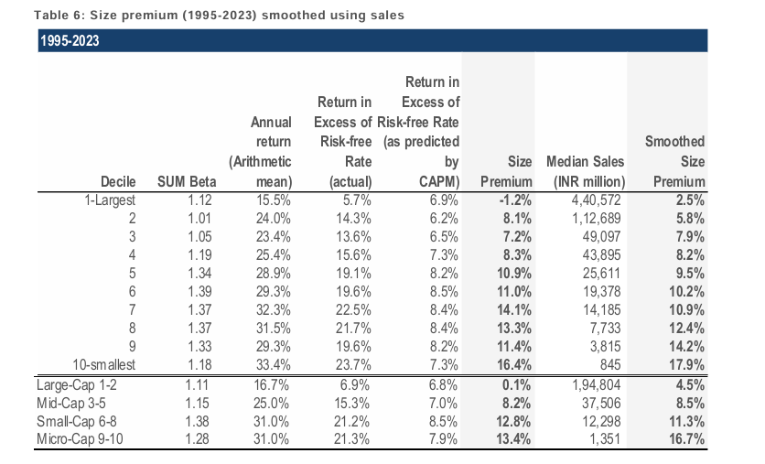
Particulars |  | Low | Mid | High |  | Risk Free Rate
Risk Free Rate |  | 4.38% | 4.38% | 4.38% |  | We have considered 4.38% as the risk free rate in estimation of cost of equity of 8.66%. The risk free rate of India is calculated by considering local currency 10 years government bond yield adjusted for default spread of India.
Equity Risk Premium |  | 5.89% | 5.89% | 5.89%
Asset Beta |  | 0.67 | 0.72 | 0.77
D/E Ratio |  | 1.25% | 1.25% | 1.25%
Equity Beta |  | 0.68 | 0.73 | 0.78 |  | Asset Beta
CAPM Cost of Equity |  | 8.36% | 8.66% | 8.96% |  | We have estimated an asset beta range of 0.67 to 0.77, with a mid point of 0.72 based on observed median 5 year monthly asset beta of benchmark listed companies adjusted for blume effect.

Small Size Premium |  | 2.50% | 2.50% | 2.50%
Asset Specific Premium |  | 0.00% | 0.00% | 0.00%
Modified Cost of Equity |  | 10.86% | 11.16% | 11.46% |  | Equity Risk Premium
 |  |  |  |  |  | An ERP of 5.89% has been adopted based on US implied equity risk premium, relative equity volatility of ICE BoFA Public Sector Issues Emerging Markets Index, S&P Emerging BMI Index and country risk premium of India.
Pre Tax Cost of Debt |  | 6.99% | 6.99% | 6.99%
Marginal Tax Rate |  | 25.12% | 25.12% | 25.12%
Post Tax Cost of Debt |  | 5.23% | 5.23% | 5.23%
 |  |  |  |  |  | Cost of Debt
Capital Gearing (D/D+E) |  | 1% | 1% | 1% |  | For the purpose of assessing the cost of debt, we have used country's risk free rate, country's default spread and corporate default spread based on company's debt rating and interest coverage ratio.
Weighted Average Cost of Capital |  | 10.79% | 11.09% | 11.38%
Weighted Average Cost of Capital (Rounded) |  | 11.00% | 12.00% | 12.00%

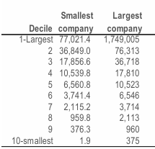
 |  |  |  |  |  | Small Size Premium
1. Tax rate considered as Marginal Tax Rate of India. |  |  |  |  |  | Emperically small sized assets have exceeded the returns as compared to large sized assets. We have used the study on size premium conducted by Incwert which is based on difference between actual returns and CAPM expected returns arranged in decile basis market capitalization of Indian Companies.
2. Asset Beta is considered as median of 5 years beta of comps adjusted for blume effect
3. Equity Beta = Asset Beta * (1+(1-Tax Rate%)*Debt/Equity)

 |  |  |  |  |  |  |  |  |  |  |  | Note | Realisitic Forecasting | 7.30% | 25000
 |  |  |  |  |  | Asset Specific Premium |  |  |  |  |  |  | Actual Forecasting | 11% | 25000
 |  |  |  |  |  |  |  |  |  |  |  |  | Asset Specific Premium | 3.70%

 |  |  |  |  |  |  |  |  |  |  | Source - Incwert Size Premia Study

Eicher Motors |  |  |  |  |  |  |  |  |  | 25.12%
Beta Analysis - 2 Years Weekly

Company Name |  | Ticker | No. of Weekly Observations | Market Cap (in Crs.) | Asset Beta | 2 years avg D/E | Equity beta | 2 years avg D/D+E | Considered? | Narrow Set
Bajaj Auto | 252,955 | NSE: BAJAJ-AUTO | 104 | 251,827 | 0.95 | 16% | 1.07 | 13% | Y | TRUE
TVS Motors | 167,428 | NSE: TVSMOTOR | 104 | 164,107 | 0.25 | 352% | 0.90 | 77% | Y | TRUE
Hero Motorcorp | 108,599 | NSE: HEROMOTOCO | 104 | 120,299 | 1.28 | 2% | 1.30 | 2% | Y | TRUE
Mahindra & Mahindra Ltd | 445,718 | NSE: M&M | 104 | 460,522 | 0.55 | 127% | 1.07 | 55% | Y | TRUE
Ashok Leyland Ltd | 81,882 | NSE: ASHOKLEY | 104 | 85,048 | 0.15 | 430% | 0.63 | 80% | N | FALSE

Median - Broad Set |  |  |  |  | 0.55 | 127.0% | 1.07 | 55.0%
Average - Broad Set |  |  |  |  | 0.64 | 185.4% | 0.99 | 45.4%

Median - Considered Set |  |  |  |  | 0.75 | 71.6% | 1.07 | 34.0%
Average - Considered Set |  |  |  |  | 0.76 | 124.3% | 1.09 | 36.8%

Eicher Motors |  |  |  |  |  |  |  |  |  | 25.12%
Beta Analysis - 5 Years Monthly

Company Name |  | Ticker | No. of Monthly Observations | Market Cap (in Crs.) | Asset Beta | 5 years avg D/E | Equity beta | 5 years avg D/D+E | Considered? | Narrow Set
Bajaj Auto | 252,955 | NSE: BAJAJ-AUTO | 60 | 251,827 | 1.02 | 6% | 1.07 | 5% | Y | TRUE
TVS Motors | 167,428 | NSE: TVSMOTOR | 60 | 164,107 | 0.26 | 332% | 0.90 | 76% | Y | TRUE
Hero Motorcorp | 108,599 | NSE: HEROMOTOCO | 60 | 120,299 | 1.28 | 2% | 1.30 | 2% | Y | TRUE
Mahindra & Mahindra Ltd | 445,718 | NSE: M&M | 60 | 460,522 | 0.50 | 153% | 1.07 | 59% | Y | TRUE
Ashok Leyland Ltd | 81,882 | NSE: ASHOKLEY | 60 | 85,048 | 0.17 | 371% | 0.63 | 78% | N | FALSE

Median - Broad Set |  |  |  |  | 0.50 | 153.0% | 1.07 | 59.0%
Average - Broad Set |  |  |  |  | 0.65 | 172.8% | 0.99 | 44.0%

Median - Considered Set |  |  |  |  | 0.76 | 79.5% | 1.07 | 32.0%
Average - Considered Set |  |  |  |  | 0.77 | 123.3% | 1.09 | 35.5%

2/3 - Beta + 1/3*Market Beta
Blume Beta Analysis - 5 Years Monthly

Company Name |  | Ticker | No. of Monthly Observations | Market Cap (in Crs.) | Asset Beta | 5 years avg D/E | Equity beta | 5 years avg D/D+E | Considered? | Narrow Set
Bajaj Auto | 252,955 | NSE: BAJAJ-AUTO | 60 | 251,827 | 0.96 | 6% | 1.01 | 5% | Y | TRUE
TVS Motors | 167,428 | NSE: TVSMOTOR | 60 | 164,107 | 0.26 | 332% | 0.90 | 76% | Y | TRUE
Hero Motorcorp | 108,599 | NSE: HEROMOTOCO | 60 | 120,299 | 1.14 | 2% | 1.15 | 2% | Y | TRUE
Mahindra & Mahindra Ltd | 445,718 | NSE: M&M | 60 | 460,522 | 0.47 | 153% | 1.01 | 59% | Y | TRUE
Ashok Leyland Ltd | 81,882 | NSE: ASHOKLEY | 60 | 85,048 | 0.19 | 371% | 0.73 | 78% | N | FALSE

Median - Broad Set |  |  |  |  | 0.47 | 153.0% | 1.01 | 59.0%
Average - Broad Set |  |  |  |  | 0.60 | 172.8% | 0.96 | 44.0%

Median - Considered Set |  |  |  |  | 0.72 | 79.5% | 1.01 | 32.0%
Average - Considered Set |  |  |  |  | 0.71 | 123.3% | 1.02 | 35.5%

We are taking 0.72 as asset beta of automobile industry (2/3 wheelers)

3StatementModel
 | Eicher Motors
 | 3 Statement Model
 |  |  |  |  |  | Current Case: | 0

 |  |  |  |  |  |  |  |  |  |  |  |  |  |  |  |  |  | CAGR
 |  |  |  | Actual |  |  | Explicit Forecast Period |  |  |  |  |  |  |  |  |  |  | 5 Years | 3 Years
 | In INR Crores unless stated otherwise | FY2021 | FY2022 | FY2023 | FY2024 | FY2025 | FY2026 | FY2027 | FY2028 | FY2029 | FY2030 | FY2031 | FY2032 | FY2033 | FY2034 | FY2035

# | Income Statement

 | Revenue | 8,720 | 10,298 | 14,442 | 16,536 | 18,870 | 21,701 | 24,793 | 28,140 | 31,728 | 35,536 | 39,800 | 44,576 | 49,925 | 55,916 | 62,626 |  | 13.5% | 12.7%
 | Less: Cost of Goods Sold | 5,112 | 5,956 | 8,212 | 8,981 | 10,297 | 11,935 | 13,785 | 15,815 | 18,022 | 20,397 | 22,845 | 25,587 | 28,657 | 32,096 | 35,947 |  | 14.6% | 14.0%
 | Gross Profit | 3,608 | 4,342 | 6,230 | 7,555 | 8,573 | 9,765 | 11,008 | 12,325 | 13,707 | 15,138 | 16,955 | 18,989 | 21,268 | 23,820 | 26,679 | 0 | 12.0% | 11.2%

 | Gross Margins | 41.4% | 42.2% | 43.1% | 45.7% | 45.4% | 45.0% | 44.4% | 43.8% | 43.2% | 42.6% | 42.6% | 42.6% | 42.6% | 42.6% | 42.6%

 | Less: SG&A Expenses (Excluding Depreciation & Interest)
 | Employee Benefit Expense | 843 | 821 | 1,002 | 1,236 | 1,391 | 1,628 | 1,859 | 2,111 | 2,380 | 2,665 | 2,985 | 3,343 | 3,744 | 4,194 | 4,697 |  | 13.9% | 12.7%
 | Consumption of Stores and machinery spares | 140 | 199 | 262 | 239 | 287 | 369 | 421 | 478 | 539 | 604 | 677 | 758 | 849 | 951 | 1,065 |  | 16.1% | 12.7%
 | Freight and handling charges | 121 | 181 | 273 | 266 | 331 | 347 | 397 | 450 | 508 | 569 | 637 | 713 | 799 | 895 | 1,002 |  | 11.5% | 12.7%
 | Selling and distribution expenses | 181 | 285 | 426 | 546 | 761 | 608 | 694 | 788 | 888 | 995 | 1,114 | 1,248 | 1,398 | 1,566 | 1,754 |  | 5.5% | 12.7%
 | Other SG&A Expenses | 542 | 685 | 823 | 942 | 1,092 | 1,324 | 1,512 | 1,717 | 1,935 | 2,168 | 2,428 | 2,719 | 3,045 | 3,411 | 3,820 |  | 14.7% | 12.7%
 | Earnings Before Interest,Taxes,Depreciation & Amortization | 1,781 | 2,172 | 3,444 | 4,327 | 4,712 | 5,490 | 6,124 | 6,782 | 7,456 | 8,138 | 9,114 | 10,208 | 11,433 | 12,805 | 14,341 |  | 11.5% | 9.9%

 | EBITDA Margins | 20.4% | 21.1% | 23.8% | 26.2% | 25.0% | 25.3% | 24.7% | 24.1% | 23.5% | 22.9% | 22.9% | 22.9% | 22.9% | 22.9% | 22.9%

 | Less : Depreciation & Amortization | 451 | 452 | 526 | 598 | 729 | 849 | 969 | 1,089 | 1,209 | 1,329 | 1,449 | 1,569 | 1,689 | 1,809 | 1,929 |  | 12.8% | 11.1%
 | Earnings Before Interest & Taxes | 1,331 | 1,720 | 2,917 | 3,729 | 3,983 | 4,641 | 5,155 | 5,693 | 6,247 | 6,808 | 7,665 | 8,639 | 9,744 | 10,995 | 12,412 |  | 11.3% | 9.7%

 | EBIT Margins | 15.3% | 16.7% | 20.2% | 22.6% | 21.1% | 21.4% | 20.8% | 20.2% | 19.7% | 19.2% | 19.3% | 19.4% | 19.5% | 19.7% | 19.8%

 | Less : Interest | 16 | 19 | 28 | 51 | 54 | 22 | 26 | 25 | 24 | 21 | 21 | 24 | 26 | 30 | 33
 | Add : Other Income | 453 | 441 | 595 | 1,076 | 1,305 | 1,128 | 1,289 | 1,463 | 1,650 | 1,848 | 2,070 | 2,318 | 2,596 | 2,908 | 3,257
 | Share of profit of joint venture (VE Commercial Vehicles Limited) | 31 | 60 | 315 | 448 | 700 | 700 | 700 | 700 | 700 | 700 | 700 | 700 | 700 | 700 | 700
 | Profit Before Tax | 1,798 | 2,203 | 3,800 | 5,202 | 5,933 | 6,447 | 7,118 | 7,830 | 8,573 | 9,335 | 10,413 | 11,633 | 13,013 | 14,573 | 16,335

 | Less: Taxes | 452 | 526 | 886 | 1,201 | 1,199 | 1,160 | 1,288 | 1,424 | 1,563 | 1,705 | 1,920 | 2,164 | 2,441 | 2,755 | 3,110 |  | 7.3% | 9.8%
 | Net Income | 1,347 | 1,677 | 2,914 | 4,001 | 4,734 | 5,287 | 5,830 | 6,407 | 7,010 | 7,630 | 8,493 | 9,469 | 10,572 | 11,819 | 13,226 |  | 10.0% | 9.4%

 | Sales Growth % |  | 18.1% | 40.2% | 14.5% | 14.1% | 15.0% | 14.3% | 13.5% | 12.7% | 12.0% | 12.0% | 12.0% | 12.0% | 12.0% | 12.0%
 | Gross Profit Margins % | 41.4% | 42.2% | 43.1% | 45.7% | 45.4% | 45.0% | 44.4% | 43.8% | 43.2% | 42.6% | 42.6% | 42.6% | 42.6% | 42.6% | 42.6%
 | EBITDA Margins % | 20.4% | 21.1% | 23.8% | 26.2% | 25.0% | 25.3% | 24.7% | 24.1% | 23.5% | 22.9% | 22.9% | 22.9% | 22.9% | 22.9% | 22.9%
 | EBIT Margins % | 15.3% | 16.7% | 20.2% | 22.6% | 21.1% | 21.4% | 20.8% | 20.2% | 19.7% | 19.2% | 19.3% | 19.4% | 19.5% | 19.7% | 19.8%
 | Actual Tax Rate % | 25.1% | 23.9% | 23.3% | 23.1% | 20.2% | 18.0% | 18.1% | 18.2% | 18.2% | 18.3% | 18.4% | 18.6% | 18.8% | 18.9% | 19.0%
 | Net Income Margin % | 15.4% | 16.3% | 20.2% | 24.2% | 25.1% | 24.4% | 23.5% | 22.8% | 22.1% | 21.5% | 21.3% | 21.2% | 21.2% | 21.1% | 21.1%

# | Balance Sheet

 | Assets
 | Non Current Assets
 | Property Plant & Equipment | 1,895 | 1,911 | 2,000 | 1,950 | 2,269 | 2,919 | 3,450 | 3,861 | 4,152 | 4,322 | 4,373 | 4,304 | 4,115 | 3,805 | 3,376
 | Right of Use Asset | 198 | 184 | 226 | 272 | 317 | 257 | 197 | 137 | 77 | 17 | (43) | (103) | (163) | (223) | (283)
 | Capital Work in Progress | 64 | 134 | 78 | 212 | 110 | - | - | - | - | - | - | - | - | - | -
 | Intangible assets | 341 | 330 | 464 | 692 | 888 | 720 | 552 | 384 | 216 | 48 | (120) | (288) | (456) | (624) | (792) | -120
 | Intangible assets under development | 250 | 371 | 394 | 343 | 381 | 309 | 237 | 165 | 93 | 21 | (52) | (124) | (196) | (268) | (340)
 | Non Current Financial Asset | 2,849 | 7,369 | 12,120 | 15,202 | 16,014 | 17,023 | 18,095 | 19,235 | 20,447 | 21,735 | 23,104 | 24,560 | 26,107 | 27,752 | 29,500
 | Other Non Current Asset | 102 | 139 | 146 | 189 | 152 | 152 | 152 | 152 | 152 | 152 | 152 | 152 | 152 | 152 | 152
 | Deferred Tax Asset | - | - | - | 13 | - | - | - | - | - | - | - | - | - | - | -
 | Non-current tax assets | 51 | 83 | 86 | 103 | 90 | 90 | 90 | 90 | 90 | 90 | 90 | 90 | 90 | 90 | 90
 | Total Non Current Assets | 5,750 | 10,520 | 15,514 | 18,977 | 20,220 | 21,469 | 22,773 | 24,023 | 25,226 | 26,385 | 27,505 | 28,591 | 29,649 | 30,684 | 31,703 | (₹ 120)

 | Current assets :
 | Inventories | 875 | 1,132 | 1,278 | 1,410 | 1,564 | 1,784 | 2,038 | 2,313 | 2,608 | 2,921 | 3,271 | 3,664 | 4,103 | 4,596 | 5,147
 | Trade receivables | 158 | 302 | 369 | 374 | 550 | 713 | 815 | 771 | 869 | 974 | 1,090 | 1,221 | 1,368 | 1,532 | 1,716
 | Financial Assets
 | Investments (Current) | 1,076 | 425 | 220 | 181 | 848 | 848 | 848 | 848 | 848 | 848 | 848 | 848 | 848 | 848 | 848
 | Loans / Bill discounting | 459 | 677 | 589 | 477 | 446 | 446 | 446 | 446 | 446 | 446 | 446 | 446 | 446 | 446 | 446
 | Other financial assets (Current) | 215 | 66 | 126 | 1,253 | 2,868 | 2,868 | 2,868 | 2,868 | 2,868 | 2,868 | 2,868 | 2,868 | 2,868 | 2,868 | 2,868
 | Other current assets | 195 | 295 | 336 | 310 | 416 | 477 | 545 | 619 | 698 | 782 | 876 | 981 | 1,098 | 1,230 | 1,378
 | Cash and cash equivalents | 93 | 45 | 55 | 102 | 223 | 1,424 | 2,481 | 3,655 | 4,250 | 4,661 | 5,316 | 6,210 | 7,362 | 8,798 | 10,544
 | Bank balances other than C&CE | 5,736 | 2,672 | 677 | 39 | 44 | 44 | 44 | 44 | 44 | 44 | 44 | 44 | 44 | 44 | 44
 | Total Current Assets | 8,807 | 5,613 | 3,650 | 4,146 | 6,958 | 8,604 | 10,085 | 11,564 | 12,631 | 13,543 | 14,759 | 16,281 | 18,137 | 20,362 | 22,991

 | Total Assets | 14,557 | 16,134 | 19,164 | 23,123 | 27,178 | 30,073 | 32,858 | 35,587 | 37,857 | 39,928 | 42,264 | 44,872 | 47,786 | 51,046 | 54,694

 | Equity & Liabilities

 | Equity
 | Equity share capital | 27 | 27 | 27 | 27 | 27 | 27 | 27 | 27 | 27 | 27 | 27 | 27 | 27 | 27 | 27
 | Other equity | 11,411 | 12,581 | 14,963 | 18,018 | 21,269 | 23,648 | 25,980 | 28,222 | 29,975 | 31,501 | 33,199 | 35,093 | 37,207 | 39,571 | 42,216 |  | 8.2% | 6.6%
 | Total equity | 11,438 | 12,608 | 14,990 | 18,046 | 21,296 | 23,676 | 26,007 | 28,250 | 30,002 | 31,528 | 33,227 | 35,120 | 37,235 | 39,599 | 42,244

 | Non-current liabilities:
 | Borrowings | - | - | 63 | 163 | 184 | 217 | 192 | 155 | 103 | 36 | 40 | 45 | 50 | 56 | 63
 | Lease liability | 46 | 35 | 68 | 108 | 124 | 124 | 124 | 124 | 124 | 124 | 124 | 124 | 124 | 124 | 124
 | Other financial liabilities | 15 | 15 | 16 | 15 | 29 | 29 | 29 | 29 | 29 | 29 | 29 | 29 | 29 | 29 | 29
 | Provisions | 23 | 68 | 102 | 175 | 195 | 195 | 195 | 195 | 195 | 195 | 195 | 195 | 195 | 195 | 195
 | Deferred tax liabilities (net) | 222 | 220 | 291 | 461 | 493 | 493 | 493 | 493 | 493 | 493 | 493 | 493 | 493 | 493 | 493
 | Government grant | 63 | 64 | 96 | 133 | 123 | 123 | 123 | 123 | 123 | 123 | 123 | 123 | 123 | 123 | 123
 | Other non-current liabilities | 124 | 237 | 336 | 428 | 464 | 464 | 464 | 464 | 464 | 464 | 464 | 464 | 464 | 464 | 464
 | Total non-current liabilities | 492 | 638 | 973 | 1,484 | 1,612 | 1,645 | 1,620 | 1,583 | 1,531 | 1,463 | 1,468 | 1,472 | 1,478 | 1,484 | 1,490

 | Current liabilities :
 | Trade payables | 1,513 | 1,788 | 1,810 | 2,090 | 2,530 | 2,943 | 3,399 | 3,900 | 4,444 | 5,030 | 5,633 | 6,309 | 7,066 | 7,914 | 8,864
 | Othe Current Liabilites / Financial Liabilities
 | Borrowings | 157 | 59 | 133 | 112 | 82 | 152 | 174 | 197 | 222 | 249 | 279 | 312 | 349 | 391 | 438
 | Lease liability | 16 | 14 | 25 | 36 | 68 | 68 | 68 | 68 | 68 | 68 | 68 | 68 | 68 | 68 | 68
Balance sheet ko check kaise krte hai woh tally ho rhi yaa nhi ek baar usko yaha par wapas check krana aur usko waise he chodh dena aur sir ko submit krte time iss file ka copied version dena jisse aage kabhi dikkat aaye financial model banane mein toh isme sab kuch detailed mein milega - NOTE
 | Other financial liabilities | 205 | 250 | 222 | 306 | 355 | 355 | 355 | 355 | 355 | 355 | 355 | 355 | 355 | 355 | 355
 | Provisions | 90 | 122 | 155 | 100 | 123 | 123 | 123 | 123 | 123 | 123 | 123 | 123 | 123 | 123 | 123
 | Government grant | 16 | 19 | 32 | 26 | 40 | 40 | 40 | 40 | 40 | 40 | 40 | 40 | 40 | 40 | 40
 | Contract liability | 228 | 170 | 180 | 263 | 271 | 271 | 271 | 271 | 271 | 271 | 271 | 271 | 271 | 271 | 271
 | Other current liabilities | 273 | 301 | 454 | 454 | 559 | 559 | 559 | 559 | 559 | 559 | 559 | 559 | 559 | 559 | 559
 | Current tax liabilities (net) | 131 | 171 | 223 | 212 | 239 | 239 | 239 | 239 | 239 | 239 | 239 | 239 | 239 | 239 | 239
 | Total current liabilities | 2,629 | 2,893 | 3,235 | 3,598 | 4,266 | 4,749 | 5,227 | 5,750 | 6,320 | 6,932 | 7,566 | 8,275 | 9,069 | 9,959 | 10,956

 | Total Liabilities | 3,121 | 3,532 | 4,207 | 5,082 | 5,878 | 6,394 | 6,846 | 7,333 | 7,851 | 8,395 | 9,033 | 9,747 | 10,547 | 11,443 | 12,446

 | Total equity and liabilities | 14,559 | 16,140 | 19,198 | 23,128 | 27,174 | 30,069 | 32,854 | 35,583 | 37,853 | 39,924 | 42,260 | 44,868 | 47,782 | 51,042 | 54,690

 | Check | (1) | (6) | (33) | (5) | 4 | 4 | 4 | 4 | 4 | 4 | 4 | 4 | 4 | 4 | 4

 | Net Working Capital | 6,179 | 2,720 | 415 | 548 | 2,692 | 3,855 | 4,859 | 5,813 | 6,311 | 6,611 | 7,194 | 8,006 | 9,068 | 10,402 | 12,035
 | Trade Receivable Days | 7 | 11 | 9 | 8 | 11 | 12 | 12 | 10 | 10 | 10 | 10 | 10 | 10 | 10 | 10
 | Inventory Days | 37 | 36 | 30 | 30 | 29 | 30 | 30 | 30 | 30 | 30 | 30 | 30 | 30 | 30 | 30
 | Trade Payable Days | 108 | 110 | 80 | 85 | 90 | 90 | 90 | 90 | 90 | 90 | 90 | 90 | 90 | 90 | 90

# | Cash Flow Statement

 | Profit Before Tax | 1,798 | 2,203 | 3,800 | 5,202 | 5,933 | 6,447 | 7,118 | 7,830 | 8,573 | 9,335 | 10,413 | 11,633 | 13,013 | 14,573 | 16,335
 | Add : Depreciation | 451 | 452 | 526 | 598 | 729 | 849 | 969 | 1,089 | 1,209 | 1,329 | 1,449 | 1,569 | 1,689 | 1,809 | 1,929
 | Add : Interest Expenses | 16 | 19 | 28 | 51 | 54 | 22 | 26 | 25 | 24 | 21 | 21 | 24 | 26 | 30 | 33 | 0
 | Add : Other Items | (353) | (502) | (826) | (1,446) | (1,868) | - | - | - | - | - | - | - | - | - | -
 | Less : Changes in Working Capital | 235 | (131) | 66 | 388 | 211 | (32) | 32 | 196 | 72 | 85 | 42 | 47 | 53 | 60 | 67
 | Less: Taxes Paid | (457) | (514) | (770) | (1,068) | (1,080) | (1,160) | (1,288) | (1,424) | (1,563) | (1,705) | (1,920) | (2,164) | (2,441) | (2,755) | (3,110)
 | Cash Flow from Operations | 1,690 | 1,527 | 2,824 | 3,724 | 3,980 | 6,127 | 6,857 | 7,717 | 8,315 | 9,065 | 10,006 | 11,109 | 12,341 | 13,717 | 15,255

 | Net Purchase of Fixed Assets | (515) | (639) | (673) | (815) | (1,028) | (1,200) | (1,200) | (1,200) | (1,200) | (1,200) | (1,200) | (1,200) | (1,200) | (1,200) | (1,200)
 | Net Purchase of Investments | (844) | (553) | (2,075) | (2,357) | (1,810) | (1,009) | (1,072) | (1,140) | (1,212) | (1,288) | (1,369) | (1,456) | (1,547) | (1,645) | (1,748)
 | Dividend Income | - | 27 | 41 | 95 | 136 | - | - | - | - | - | - | - | - | - | -
 | Interest Received | 192 | 398 | 204 | 112 | 188 | - | - | - | - | - | - | - | - | - | -
 | Other investing activities items | (458) | (216) | 87 | 113 | 31 | - | - | - | - | - | - | - | - | - | -
 | Cash Flow from Investing Activities | (1,625) | (983) | (2,416) | (2,852) | (2,483) | (2,209) | (2,272) | (2,340) | (2,412) | (2,488) | (2,569) | (2,656) | (2,747) | (2,845) | (2,948)

 | Net Proceeds from Long term Borrowings | - | - | 131 | 186 | 16 | 33 | (25) | (37) | (52) | (68) | 4 | 5 | 5 | 6 | 7
 | Addition of CWIP | - | - | - | - | - | 110 | - | - | - | - | - | - | - | - | -
 | Net Proceeds from Short term Borrowings | 13 | (105) | 44 | 6 | (21) | 70 | 22 | 23 | 25 | 27 | 30 | 33 | 37 | 42 | 47
 | Dividend paid | - | (465) | (574) | (1,013) | (1,397) | (2,908) | (3,498) | (4,164) | (5,257) | (6,104) | (6,794) | (7,575) | (8,458) | (9,455) | (10,581)
 | Interests paid | (16) | (19) | (18) | (35) | (37) | (22) | (26) | (25) | (24) | (21) | (21) | (24) | (26) | (30) | (33)
 | Proceeds from issue of share capital | 38 | 7 | 11 | 47 | 87 | - | - | - | - | - | - | - | - | - | -
 | Other financing activities | (50) | (10) | (11) | (35) | (47) | - | - | - | - | - | - | - | - | - | -
 | Cash Flow from Financing Activities | (15) | (593) | (417) | (844) | (1,399) | (2,717) | (3,527) | (4,204) | (5,307) | (6,166) | (6,781) | (7,560) | (8,441) | (9,437) | (10,560)

 | Net Change in Cash | 50 | (48) | (9) | 29 | 98 | 1,201 | 1,058 | 1,174 | 595 | 411 | 655 | 893 | 1,152 | 1,436 | 1,746
 | Opening Cash Balance | 43 | 93 | 45 | 55 | 102 | 223 | 1,424 | 2,481 | 3,655 | 4,250 | 4,661 | 5,316 | 6,210 | 7,362 | 8,798
 | Effect of Foreign exchange fluctuations | - | - | 20 | 18 | 23 | - | - | - | - | - | - | - | - | - | -
 | Closing Cash Balance | 93 | 45 | 55 | 102 | 223 | 1,424 | 2,481 | 3,655 | 4,250 | 4,661 | 5,316 | 6,210 | 7,362 | 8,798 | 10,544

Assumptions Working
# | Revenue Growth

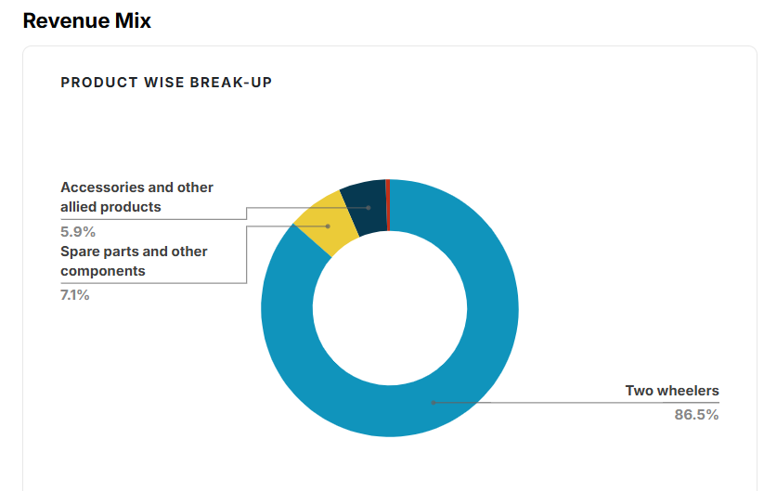
 | Company Historical Growth
 |  |  |  |  |  |  |  |  |  |  | CAGR
 | Particulars |  | 2019 | 2020 | 2021 | 2022 | 2023 | 2024 | 2025 |  | 3 Years | 5 Years
 | Revenue from operations |  | 9,797 | 9,154 | 8,720 | 10,298 | 14,442 | 16,536 | 18,870 |  | 22.4% | 15.6%
 | Sales Growth |  | 6% | -7% | -5% | 18% | 40% | 14% | 14%

 |  |  |  |  |  |  |  |  |  | 21915 | 16.1%

The company has posted revenue of INR 18,870 crores in FY2025. The revenue has been grown at a CAGR of 22.4% and 15.6% during the last 3 and 5 years respectively. Despite the muted growth in motorcyle industry, the company has been able to post a decent growth. The management is committed to outgrow the motorcyle industry in the long run and as a result, the company has been launching new motorcycle models from time to time. The company has also been spending a decent amount on its marketing activites in order to attract younger generations. Apart from this motorcylce segment, the company's VECV segment has been showing strong growth both in domestic and international markets. The company is planning to accelerate growth in its HD truck business and is thus aiming to acheive 15% market share in next three years. Further, it is aiming for operating profit of 10% in VECV segment in FY26.
The analyst's consensus growth for FY26 is INR 21,915 crores which is 16% growth over the FY2025 revenues of INR 18,870 crores.
Considering the muted growth in motorcyle industry and fluctuating commodity prices, we assume that the company would maintain growth around mid teens, that is, around 13-15%, due to the measures it has taken to boost its growth like marketing activites and further the company has planned capex of around INR 1200 - 1300 crores for FY26 which is mostly toward investment in its EV business.
Managment gave no guidance on revenue.

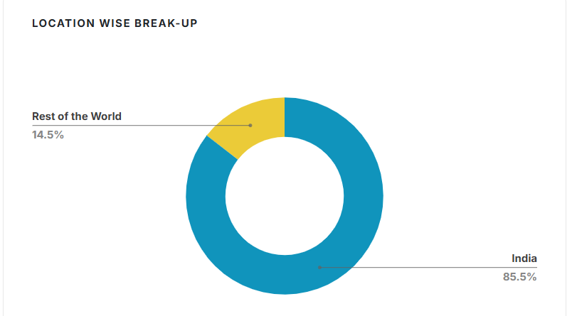
 |  |  |  |  |  |  |  |  |  |  |  |  |  |  |  |  |  |  |  | Revenue is expected to grow by 16.1% in FY26
 |  |  |  |  |  |  |  |  |  |  |  |  |  |  |  |  |  |  |  |  | Q2FY26 | Q3FY26 | FY26 | FY27
 |  |  |  |  |  |  |  |  |  |  |  |  |  |  |  |  |  |  |  |  | Crore Rs | Crore Rs | Crore Rs | Crore Rs
 |  |  |  |  |  |  |  |  |  |  |  |  |  |  |  |  |  |  |  | Avg Estimate | 6,064.70 | 5,576.60 | 21,915.60 | 24,581.90 | 12.2%
 |  |  |  |  |  |  |  |  |  |  |  |  |  |  |  |  |  |  |  | High Estimate | 6,257.90 | 5,958 | 23,453.60 | 26,853.20 | 14.5%
 |  |  |  |  |  |  |  |  |  |  |  |  |  |  |  |  |  |  |  | Low Estimate | 5,663.10 | 5,197.90 | 20,820.10 | 21,976.60 | 5.6%
 |  |  |  |  |  |  |  |  |  |  |  |  |  |  |  |  |  |  |  | No. of Analysts | 16 | 3 | 27 | 27

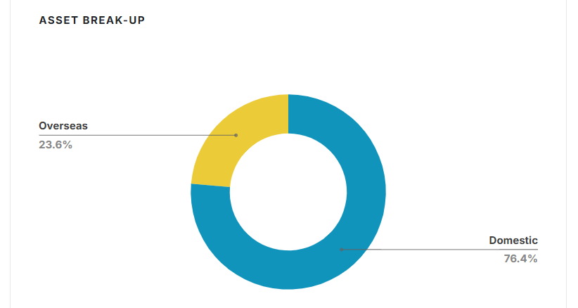

# | Gross Margin

 | Company Historical Margin

 | Particulars | 2019 | 2019 | 2020 | 2021 | 2022 | 2023 | 2024 | 2025 |  | Median | Average
 | Gross Margins |  | 48.4% | 45.4% | 41.4% | 42.2% | 43.1% | 45.7% | 45.4% |  | 45.4% | 44.5%

 | Sector Data - Damodaran

 | Just India
 | Auto & Truck |  | 39.15%

 | All Emerging Markets
 | Auto & Truck |  | 21.05%

 | Global
 | Auto & Truck |  | 18.34%

 | Mangement Guidance

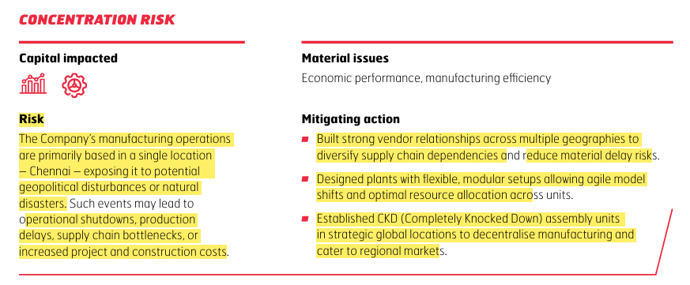

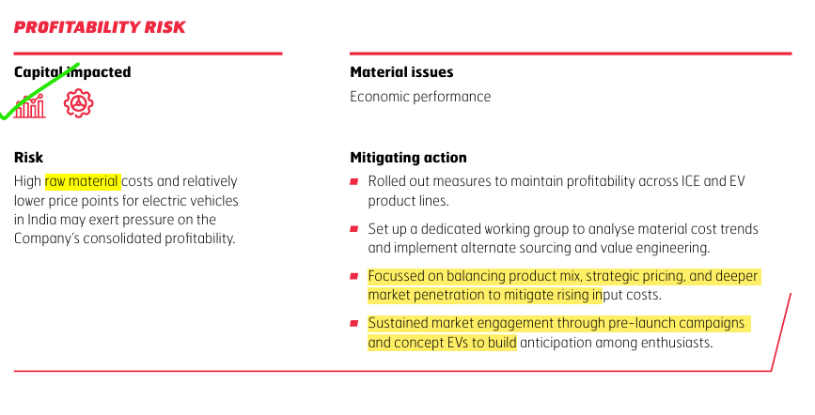
 |  |  |  |  |  |  |  |  |  |  |  |  | Source | BOB CAPITAL RESEARCH REPORT
 |  |  |  |  |  |  |  |  |  |  |  |  |  | https://www.barodaetrade.com/Reports/EicherMotors-Q3FY25ResultReview11Feb25-Research.pdf

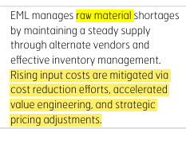

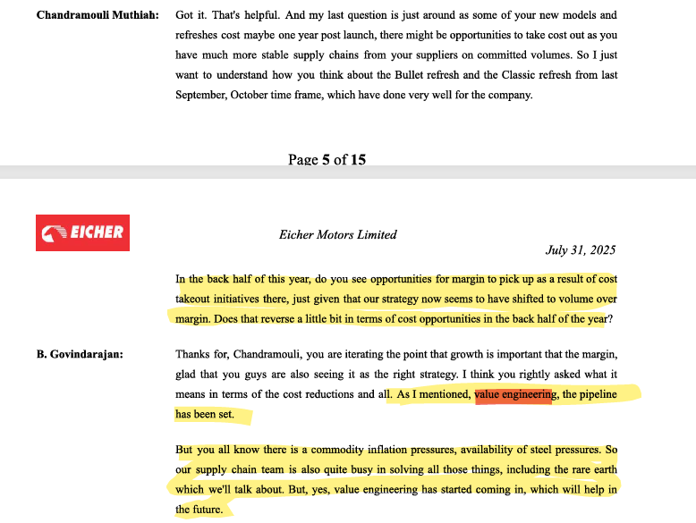
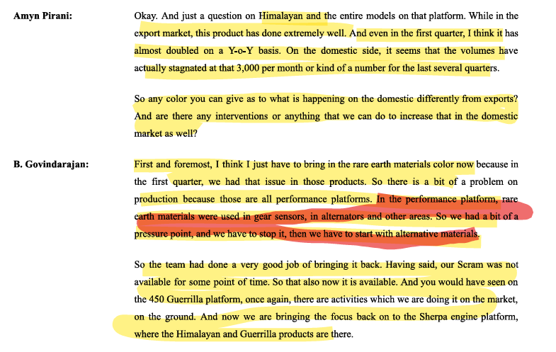

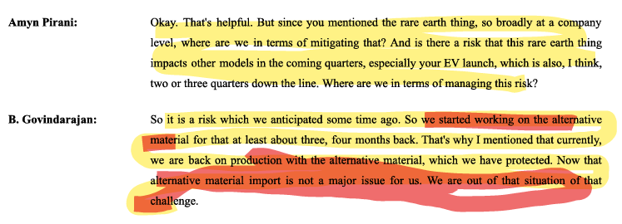

 | Steel Market in India

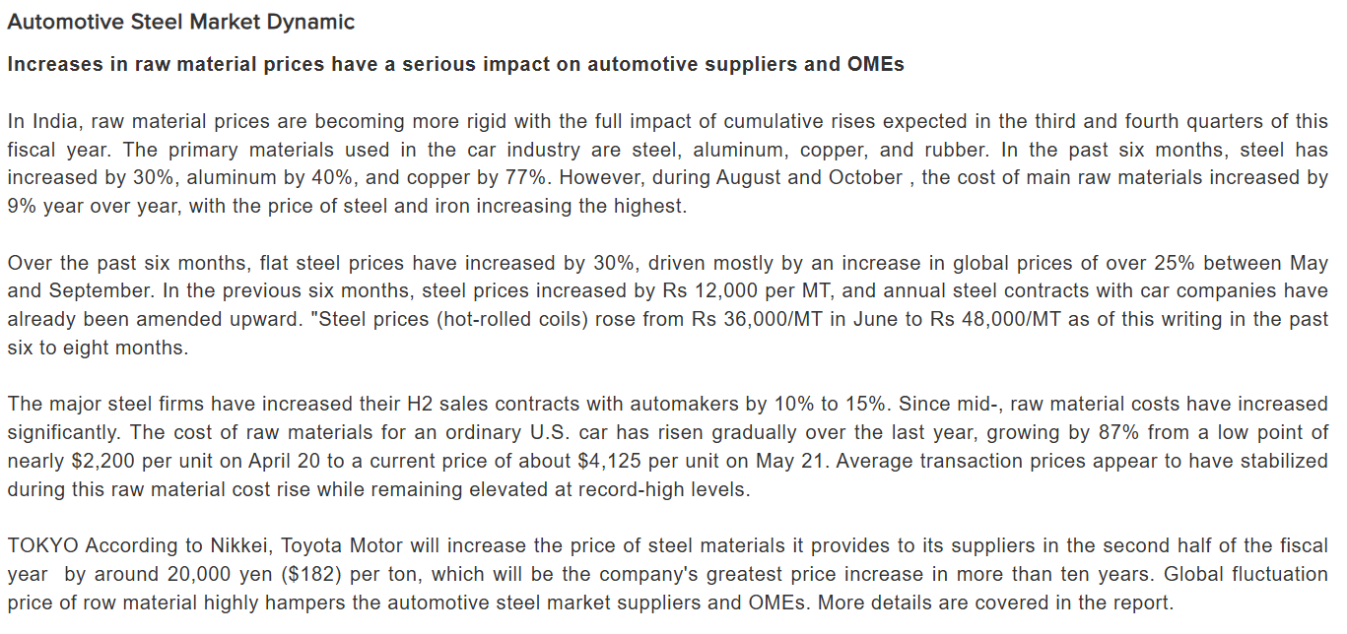

 | Source | https://www.maximizemarketresearch.com/market-report/global-automotive-steel-market/22955/

 | Street Estimates

 | Prabhudas Liladher
 |  |  | FY26 | FY27
 | Gross Margin (%) |  | 46.7 | 46.7

 | ICICI Securities
 | Gross Margin (%) |  | 38.4 | 38.9

 | Median GM |  | 42.6 | 42.8

During FY25, gross margins declined by 30 bps to 45.4% due to fluctuations in commodity prices. Despite these fluctuation, gross margins remain stabled around 45% due to initiatives taken by company to mitigate the impact of rising input cost such as value engineering and strategic price adjustments.
The raw material constitutes ~ 90%+ of the total cost of goods sold and ~ 50% of the revenue. The cost of raw material is mainly steel prices.
In India, raw material prices are becoming more rigid with the full impact of cumulative rises expected in the third and fourth quarters of this fiscal year. The primary materials used in the automotive industry are steel, aluminum, copper, and rubber. In the past six months, steel has increased by 30%, aluminum by 40%, and copper by 77%. However, during August and October , the cost of main raw materials increased by 9% year over year, with the price of steel and iron increasing the highest.
While historically, the company has posted gross margin of ~ 45% and ~ 48% with median of 45.4% in the last 7 years. Basis our research, the gross margin posted by auto & truck sector in India was 39.15%, by the sector in global emerging market was 21.05% and global sector margin was 18.34%.
The reduction in margin during FY25 was majorily due to fluctuation in commodity prices , we assume that margin will be ~45% in short term which is also inline with street estimate of ~42.6%.
Management give no guidance on margins.

# | SG&A Expenses
 |  |  |  |  |  |  |  |  |  |  | CAGR
 | Particulars |  | 2019 | 2020 | 2021 | 2022 | 2023 | 2024 | 2025 |  | 3 Years | 5 Years
 | Revenue from operations |  | 9,797 | 9,154 | 8,720 | 10,298 | 14,442 | 16,536 | 18,870 |  | 22.4% | 15.6%
 | Growth YoY % |  | 6% | -7% | -5% | 18% | 40% | 14% | 14%

 | SG&A Expenses |  | 1837 | 1977 | 1827 | 2170 | 2787 | 3228 | 3861 |  | 21.2% | 14.3%
 | Growth YoY % |  |  | 7.7% | -7.6% | 18.8% | 28.4% | 15.8% | 19.6%

 | Historical SG&A Analysis

 | Profit and Loss |  | 2019 | 2020 | 2021 | 2022 | 2023 | 2024 | 2025
 | Revenue from operations |  | 9,797 | 9,154 | 8,720 | 10,298 | 14,442 | 16,536 | 18,870

 | Employee Benefits Expense |  | 702 | 796 | 843 | 821 | 1002 | 1236 | 1391
 | Consumption of Stores and machinery spares (including loose tools and packing material) |  | 169.63 | 156.38 | 139.51 | 198.56 | 262.25 | 239.14 | 286.56
 | Power and fuel |  | 66.96 | 62.86 | 52.98 | 55.78 | 72.97 | 80.61 | 89.53
 | Insurance |  | 13.24 | 17.5 | 25.94 | 31.83 | 37.58 | 43.18 | 51.5
 | Repairs and maintenance:
 | Buildings |  | 3.48 | 3.57 | 3.77 | 3.28 | 6.29 | 7.08 | 6.43
 | Plant and equipment |  | 44.94 | 42.88 | 43.83 | 48.48 | 44.09 | 52.71 | 50.63
 | Others |  | 45.44 | 53.75 | 63.74 | 82.09 | 84.58 | 95.43 | 110.15
 | Rates and taxes |  | 6.07 | 3.98 | 5.12 | 6.26 | 5.99 | 39.01 | 17.22
 | Advertisement |  | 30.36 | 21.76 | 18.2 | 30.82 | 42.21 | 55.17 | 108.35
 | Freight and handling charges |  | 143.61 | 144.91 | 121.1 | 180.97 | 272.83 | 265.57 | 330.64
 | Provision for warranty and onerous contract |  | 43.33 | 55.63 | 53.87 | 118.56 | 145.47 | 103.86 | 88.13
 | Selling and distribution expenses |  | 196.01 | 244.73 | 180.93 | 284.69 | 426.39 | 546.2 | 760.88
 | Expense related to short term leases |  | 48.69 | 14.37 | 14.45 | 28.11 | 46.11 | 68.03 | 76.64
 | Legal and professional charges |  | 58.46 | 60.18 | 59.61 | 72.05 | 62.52 | 90.02 | 122.61
 | Travelling expenses |  | 93.57 | 92.29 | 33 | 50.18 | 110.66 | 137.33 | 163.13
 | Development expenses (Revenue R&D expensed) |  | 13.59 | 11.12 | 8.93 | 12.04 | 14.82 | 36.54 | 37.08
 | Corporate social responsibility expenditure (CSR) |  | 45.39 | 55.39 | 56.37 | 52.71 | 45.18 | 51.87 | 66.68
 | Loss on sale of property, plant & equipment and intangible assets |  | 1.13 | 2.54 | 1.98 | 5.32 | 2.14 | 2.46 | 10.54
 | Provision for doubtful debts and advances (including write off) |  | 0.49 | - | 18.29 | 1.4 | 7.38 | 1.41 | 0.89
 | Miscellaneous expenses |  | 95.62 | 119.71 | 73.5 | 85.75 | 95.31 | 76.91 | 92.42
 | Total SG&A Expenses |  | 1822 | 1959 | 1818 | 2170 | 2787 | 3228 | 3861
 |  |  |  |  |  |  |  |  |  |  | Median | Average
 | SG&A % Revenue |  | 18.6% | 21.4% | 20.9% | 21.1% | 19.3% | 19.5% | 20.5% |  | 20.5% | 20.2%

 | Profit and Loss |  | 2019 | 2020 | 2021 | 2022 | 2023 | 2024 | 2025 |  | Median | Average
 | Employee Benefits Expense |  | 38.5% | 40.6% | 46.4% | 37.8% | 36.0% | 38.3% | 36.0% |  | 38.3% | 39.1%
 | Consumption of Stores and machinery spares (including loose tools and packing material) |  | 9.3% | 8.0% | 7.7% | 9.2% | 9.4% | 7.4% | 7.4% |  | 8.0% | 8.3%
 | Power and fuel |  | 3.7% | 3.2% | 2.9% | 2.6% | 2.6% | 2.5% | 2.3% |  | 2.6% | 2.8%
 | Insurance |  | 0.7% | 0.9% | 1.4% | 1.5% | 1.3% | 1.3% | 1.3% |  | 1.3% | 1.2%
 | Repairs and maintenance:
 | Buildings |  | 0.2% | 0.2% | 0.2% | 0.2% | 0.2% | 0.2% | 0.2% |  | 0.2% | 0.2%
 | Plant and equipment |  | 2.5% | 2.2% | 2.4% | 2.2% | 1.6% | 1.6% | 1.3% |  | 2.2% | 2.0%
 | Others |  | 2.5% | 2.7% | 3.5% | 3.8% | 3.0% | 3.0% | 2.9% |  | 3.0% | 3.1%
 | Rates and taxes |  | 0.3% | 0.2% | 0.3% | 0.3% | 0.2% | 1.2% | 0.4% |  | 0.3% | 0.4%
 | Advertisement |  | 1.7% | 1.1% | 1.0% | 1.4% | 1.5% | 1.7% | 2.8% |  | 1.5% | 1.6%
 | Freight and handling charges |  | 7.9% | 7.4% | 6.7% | 8.3% | 9.8% | 8.2% | 8.6% |  | 8.2% | 8.1%
 | Provision for warranty and onerous contract |  | 2.4% | 2.8% | 3.0% | 5.5% | 5.2% | 3.2% | 2.3% |  | 3.0% | 3.5%
 | Selling and distribution expenses |  | 10.8% | 12.5% | 10.0% | 13.1% | 15.3% | 16.9% | 19.7% |  | 13.1% | 14.0%
 | Expense related to short term leases |  | 2.7% | 0.7% | 0.8% | 1.3% | 1.7% | 2.1% | 2.0% |  | 1.7% | 1.6%
 | Legal and professional charges |  | 3.2% | 3.1% | 3.3% | 3.3% | 2.2% | 2.8% | 3.2% |  | 3.2% | 3.0%
 | Travelling expenses |  | 5.1% | 4.7% | 1.8% | 2.3% | 4.0% | 4.3% | 4.2% |  | 4.2% | 3.8%
 | Development expenses (Revenue R&D expensed) |  | 0.7% | 0.6% | 0.5% | 0.6% | 0.5% | 1.1% | 1.0% |  | 0.6% | 0.7%
 | Corporate social responsibility expenditure (CSR) |  | 2.5% | 2.8% | 3.1% | 2.4% | 1.6% | 1.6% | 1.7% |  | 2.4% | 2.3%
 | Loss on sale of property, plant & equipment and intangible assets |  | 0.1% | 0.1% | 0.1% | 0.2% | 0.1% | 0.1% | 0.3% |  | 0.1% | 0.1%
 | Provision for doubtful debts and advances (including write off) |  | 0.0% | 0.0% | 1.0% | 0.1% | 0.3% | 0.0% | 0.0% |  | 0.0% | 0.2%
 | Miscellaneous expenses |  | 5.2% | 6.1% | 4.0% | 4.0% | 3.4% | 2.4% | 2.4% |  | 4.0% | 3.9%
 | Total SG&A Expenses |  | 100% | 100% | 100% | 100% | 100% | 100% | 100%

 | Profit and Loss |  | 2019 | 2020 | 2021 | 2022 | 2023 | 2024 | 2025 |  | Median | Average
 | Revenue from operations |  | 9,797 | 9,154 | 8,720 | 10,298 | 14,442 | 16,536 | 18,870

 | Employee Benefits Expense |  | 702 | 796 | 843 | 821 | 1002 | 1236 | 1391 |  | 843 | 970
 | Employee Benefits Expense % Revenue |  | 7.2% | 8.7% | 9.7% | 8.0% | 6.9% | 7.5% | 7.4% |  | 7.5% | 7.9%

 | Consumption of Stores and machinery spares (including loose tools and packing material) |  | 170 | 156 | 140 | 199 | 262 | 239 | 287 |  | 199 | 207
 | Consumption of Stores and machinery spares % Revenue |  | 1.7% | 1.7% | 1.6% | 1.9% | 1.8% | 1.4% | 1.5% |  | 1.7% | 1.7%

 | Freight and handling charges |  | 144 | 145 | 121 | 181 | 273 | 266 | 331 |  | 181 | 209
 | Freight and handling charges % Revenue |  | 1.5% | 1.6% | 1.4% | 1.8% | 1.9% | 1.6% | 1.8% |  | 1.6% | 1.6%

 | Selling and distribution expenses |  | 196 | 245 | 181 | 285 | 426 | 546 | 761 |  | 285 | 377
 | Selling and distribution expenses % Revenue |  | 2.0% | 2.7% | 2.1% | 2.8% | 3.0% | 3.3% | 4.0% |  | 2.8% | 2.8%

 | Other SG&A Expenses |  | 611 | 618 | 542 | 685 | 823 | 942 | 1092 |  | 685 | 759
 | Other SG&A Expenses % Revenue |  | 6.2% | 6.7% | 6.2% | 6.6% | 5.7% | 5.7% | 5.8% |  | 6.2% | 6.1%

 | Total SG&A % Revenue |  | 18.6% | 21.4% | 20.9% | 21.1% | 19.3% | 19.5% | 20.5% |  | 20.5% | 20.2%

 | Management Guidance

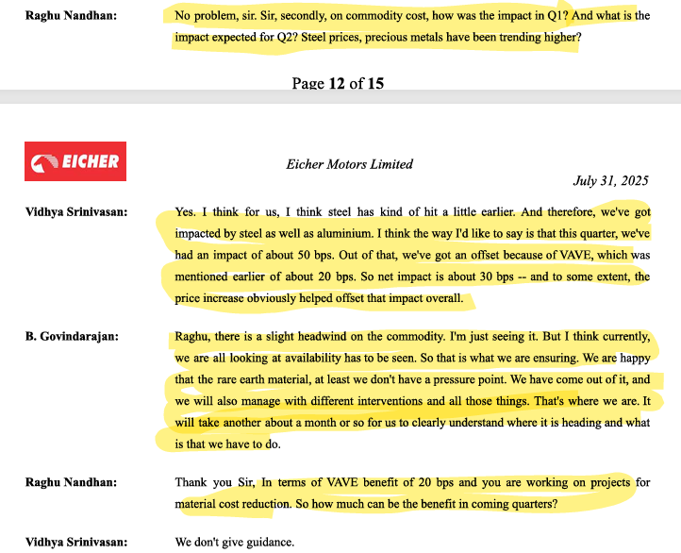

 |  |  |  |  |  |  |  |  | Management exclusively does not give any guidance on EBITDA margins or any sort of margins. It focus on absolute growth like absolute EBITDA growth and Revenue growth. It does not believe in margins/percentages.

 |  |  |  |  |  |  |  |  | Source | Q1FY26 Concall

 | Street Estimates

 | Prabhudas Liladher |  | FY26 | FY27
 | EBITDA Margin (%) |  | 25.7 | 25.7

 | BOB CAPS
 | EBITDA Margin (%) |  | 28.1 | 28.3

 | ICICI Securities
 | EBITDA Margin (%) |  | 26 | 26.5

 | Axis Securities
 | EBITDA Margin (%) |  | 24.9 | 25

 | Geojit
 | EBITDA Margin (%) |  | 24.8 | 25.1

 | Median GM |  | 25.7 | 25.7

During FY25, the company had reported EBITDA margin of 25% which is a 120 bps decline from FY24 margins. The reason for this decline is the increase price of commodities in the first half of FY25. The management is focusing strongly on cost reduction and value engineering to keep the margins stable. Further, the management do not give any guidance on EBITDA margins and focuses on absolute growth.
Basis our research, we have identified that historically, SG&A expenses is 20.5% of revenue where four expenses viz Employee Benefit , Consumption of Stores and machinery spares, Freight and handling charges and Selling and Distribution Expenses constitute 71.1% of total SG&A Expenses. These four key expenses are directly linked with sales.
We assume that total SG&A expenses to remain at 19.7% level as a percentage of revenues which is almost aligned with street estimates.

# | Current Assets

 | Particulars |  | 2019 | 2020 | 2021 | 2022 | 2023 | 2024 | 2025
 | Inventories |  | 633 | 572 | 875 | 1132 | 1278 | 1410 | 1564
 | Trade receivables |  | 84 | 87 | 158 | 302 | 369 | 374 | 550
 | Other Current Assets :
 | Investments (Current) |  | 469 | 2513 | 1076 | 425 | 220 | 181 | 848
 | Loans / Bill discounting |  | 1 | 0 | 459 | 677 | 589 | 477 | 446
 | Other financial assets (Current) |  | 82 | 91 | 215 | 66 | 126 | 1253 | 2868
 | Other current assets |  | 180 | 161 | 195 | 295 | 336 | 310 | 416
 | Cash and cash equivalents |  | 727 | 43 | 94 | 51 | 89 | 107 | 219
 | Bank balances other than C&CE |  | 2238 | 2907 | 5736 | 2672 | 677 | 39 | 44
 | Total Current Assets |  | 4415 | 6375 | 8808 | 5619 | 3683 | 4151 | 6954

 | Total Assets |  | 11387 | 12450 | 14559 | 16140 | 19198 | 23128 | 27174

 | Current Assets % Total Assets |  | 38.8% | 51.2% | 60.5% | 34.8% | 19.2% | 17.9% | 25.6%

 | Particulars |  | 2019 | 2020 | 2021 | 2022 | 2023 | 2024 | 2025
 | Inventories |  | 14.3% | 9.0% | 9.9% | 20.2% | 34.7% | 34.0% | 22.5%
 | Trade receivables |  | 1.9% | 1.4% | 1.8% | 5.4% | 10.0% | 9.0% | 7.9%
 | Other Current Assets |  | 4.1% | 2.5% | 2.2% | 5.3% | 9.1% | 7.5% | 6.0%
 | Cash and cash equivalents |  | 16.5% | 0.7% | 1.1% | 0.9% | 2.4% | 2.6% | 3.1%
 | Total Current Assets |  | 100% | 100% | 100% | 100% | 100% | 100% | 100%

 | Inventory

 | Revenue Growth YoY% | Inventory Growth YoY%
2019 | 6.3%
2020 | -6.6% | -0.096356057975
2021 | -4.7% | 0.52808596139
2022 | 18.1% | 0.29476332038
2023 | 40.2% | 0.12896503002
2024 | 14.5% | 0.10262507431
2025 | 14.1% | 0.10932578531
 | Particulars |  | 2019 | 2020 | 2021 | 2022 | 2023 | 2024 | 2025 |  | Median | Average
 | Revenue |  | 9797 | 9154 | 8720 | 10298 | 14442 | 16536 | 18870
 | Revenue Growth YoY% |  | 6.3% | -6.6% | -4.7% | 18.1% | 40.2% | 14.5% | 14.1% |  | 14.1% | 11.7%

 | Inventories | 469 | 633 | 572 | 875 | 1132 | 1278 | 1410 | 1564
 | Inventory Growth YoY% |  |  | -9.6% | 52.8% | 29.5% | 12.9% | 10.3% | 10.9% |  | 11.9% | 17.8%

 | Average Inventory |  | 551 | 603 | 723 | 1004 | 1205 | 1344 | 1487

 | Average Inventory % Revenue |  |  | 6.6% | 8.3% | 9.7% | 8.3% | 8.1% | 7.9% |  | 8.2% | 8.2%

 | COGS |  | 5057.4 | 4995.9 | 5112.3 | 5955.7 | 8211.9 | 8980.7 | 10297.1

 | Inventory Turnover Ratio (COGS) |  | 8.0x | 8.7x | 5.8x | 5.3x | 6.4x | 6.4x | 6.6x |  | 6.4x | 6.5x
 | Inventory Turnover Ratio (Revenue) |  | 17.8x | 15.2x | 12.1x | 10.3x | 12.0x | 12.3x | 12.7x |  | 12.2x | 12.4x

 | Inventory Days(COGS) |  | 46 | 42 | 62 | 69 | 57 | 57 | 55 |  | 57 | 57
 | Inventory Days(Revenue) |  | 21 | 24 | 30 | 36 | 30 | 30 | 29 |  | 30 | 30
 | 365

 | Peer Inventory Days Analysis |  | 2019 | 2020 | 2021 | 2022 | 2023 | 2024 | 2025
 | Eicher Motors (Inventory/Revenue) |  |  | 24 | 30 | 36 | 30 | 30 | 29
 | Bajaj Auto (Inventory/Revenue) |  |  | 18 | 28 | 18 | 22 | 19 | 22
 | TVS Motors (Inventory/Revenue) |  |  | 35 | 39 | 37 | 34 | 34 | 33
 | Hero Motorcorp (Inventory/Revenue) |  |  | 24 | 30 | 26 | 27 | 25 | 27

 | Median |  |  | 24 | 30 | 31 | 29 | 27 | 28
 | Average |  |  | 25 | 32 | 29 | 28 | 27 | 28

 | Street Estimates |  | FY26 | FY27
 | BOB (Inventory/Revenue) |  | 23 | 24
 | ICICI Securities (Inventory/Revenue) |  | 15 | 15
 | Geojit (Inventory/COGS) |  | 54.8 | 54
 | Motilal Oswal (Inventory/Revenue) |  | 30 | 30

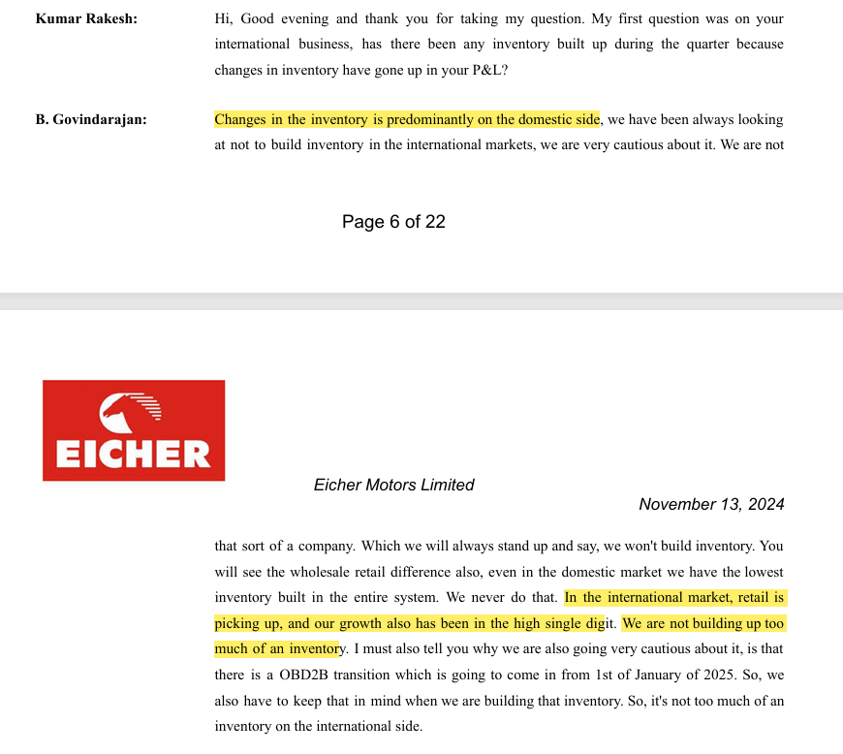

 |  |  |  |  |  |  |  |  |  |  | Source | Q2FY25 CONCALL

The company is very cautious regarding the inventory levels and hence follows a replenishment model instead of stocking up the inventory. In this replenishment model , wherever the inventory is below the replenishment norm level, the company's focus is to build back the inventory to that norm quantity.
Historically, the company is mainitaning inventory levels at ~8.2% of revenues with Inventory turnover ratio (inventory/revenue) being consistent around 12.2x and inventory days (inventory/revenue) of 30. The peer companies in the market maintains inventory of 28 days which is almost in line with the 5 year historical inventory days of the company. Further, the street estimates suggest the inventory levels to remain on a slightly lower side from existing inventory levels, that is, inventory days would be around 26 days as compared to 29 days.
We assume inventory levels to be flat going ahead. Though, the company is coming up with new launches on a regular basis, but it does not pile up the inventory instead focuses on replenishment model.

 | Revenue Growth YoY % | Trade Receivable Growth YoY %
2019 | 6.3%
2020 | -6.6% | 0.029303594732
2021 | -4.7% | 0.82295988935
2022 | 18.1% | 0.90971168437
2023 | 40.2% | 0.22142762548
2024 | 14.5% | 0.01317358777
2025 | 14.1% | 0.47049066296
# | Debtors

 | Particulars |  | 2019 | 2020 | 2021 | 2022 | 2023 | 2024 | 2025 |  | Median | Average
 | Revenue |  | 9,797 | 9,154 | 8,720 | 10,298 | 14,442 | 16,536 | 18,870
 | Revenue Growth YoY % |  | 6.3% | -6.6% | -4.7% | 18.1% | 40.2% | 14.5% | 14.1% |  | 14.1% | 11.7%

 | Trade Receivable |  | 84 | 87 | 158 | 302 | 369 | 374 | 550
 | Trade Receivable Growth YoY % |  |  | 2.9% | 82.3% | 91.0% | 22.1% | 1.3% | 47.0% |  | 34.6% | 41.1%

 | Average Trade Receivable |  |  | 86 | 122 | 230 | 335 | 371 | 462

 | Average Trade Receivable % Revenue |  |  | 0.9% | 1.4% | 2.2% | 2.3% | 2.2% | 2.4% |  | 2.2% | 1.9%

 | Receivable Turnover Ratio (Revenue) |  | 116.23x | 105.50x | 55.14x | 34.09x | 39.15x | 44.24x | 34.33x |  | 41.69x | 52.08x

 | Receivable Days |  | 3 | 3 | 7 | 11 | 9 | 8 | 11 |  | 9 | 8
 | 365

 | Peer Receivable Days Analysis |  | 2019 | 2020 | 2021 | 2022 | 2023 | 2024 | 2025
 | Eicher Motors |  |  | 3 | 7 | 11 | 9 | 8 | 11
 | Bajaj Auto |  |  | 21 | 36 | 17 | 18 | 17 | 15
 | TVS Motors |  |  | 28 | 19 | 18 | 14 | 17 | 14
 | Hero Motorcorp |  |  | 19 | 27 | 27 | 29 | 25 | 30

 | Median |  |  | 20 | 23 | 18 | 16 | 17 | 15
 | Average |  |  | 18 | 22 | 18 | 18 | 17 | 17

 | Street Estimates |  | FY26 | FY27
 | BOB |  | 18 | 18
 | ICICI Securities |  | 15 | 15
 | Geojit |  | 10.5 | 10.2
 | Motilal Oswal |  | 10 | 10
 | Median |  | 12.75 | 12.6

 | Receivables Ageing Analysis

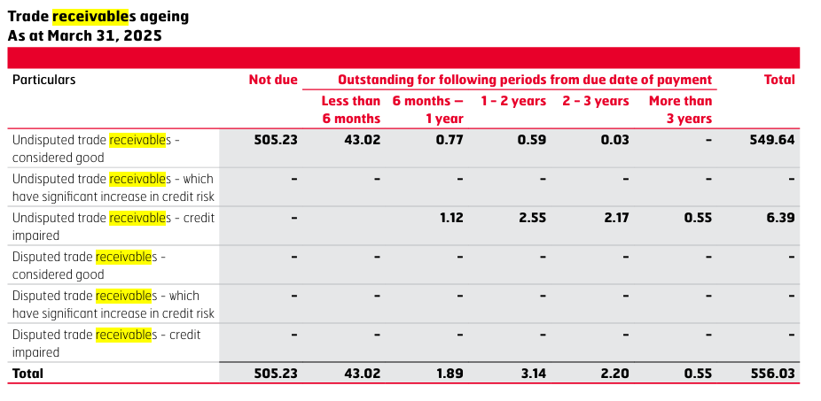

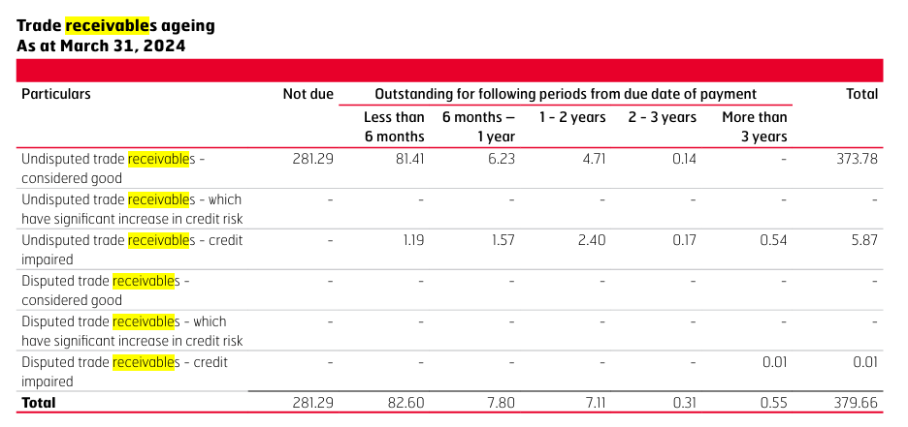

 |  |  |  | 505.23 | 43.02 | 1.89 | 3.14 | 2.2 | 0.55 | 556.03 |  |  |  |  | 281.29 | 82.6 | 7.8 | 7.11 | 0.31 | 0.55 | 379.66
 |  |  |  | 90.9% | 7.7% | 0.3% | 0.6% | 0.4% | 0.1% |  |  |  |  |  | 74.1% | 21.8% | 2.1% | 1.9% | 0.1% | 0.1%

 |  |  |  | 281.29 | 82.6 | 7.8 | 7.11 | 0.31 | 0.55
 |  |  |  | 79.6% | -47.9% | -75.8% | -55.8% | 609.7% | 0.0% | Growth YoY%

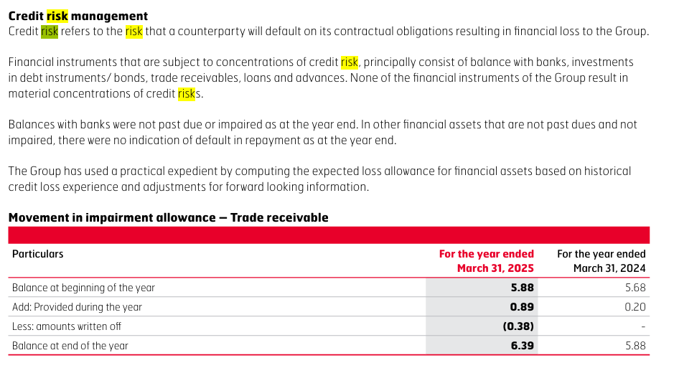

The company has median trade receivable of 9 days which is better amongst all its peers. Hence, this reflects the robust collection mechanism of the company. In FY25, the company saw an increase of 47% in trade receivable due to higher export volumes. Export sales carry credit periods range from 0 to 270 days.
Historically, the company is maintaining receivable levels at ~2.2% of the revenues with median receivable turnover ratio of ~41.69x and inventory days at 30. The peer companies in the market maintain receivable of 15 days which is slightly higher than the 5 year historical receivable days of the company. Further, street estimates suggest the receivable levels to remain slightly higher from existing receivable days with consensus estimate of 12.7 days.
We assume our receivable levels to be slightly high around 12 days for a couple of years and then gradually declining back to 10 days. (maine yeh high krke kam isliye kiya bcoz export volumes badh sakte hai jisse receivable fir badh sakte hai and maybe receivable days bhi badh jaye thode se).

# | Other Current Assets

 | Particulars |  | 2019 | 2020 | 2021 | 2022 | 2023 | 2024 | 2025
 | Revenue |  | 9,797 | 9,154 | 8,720 | 10,298 | 14,442 | 16,536 | 18,870
 | Other current assets |  | 180 | 161 | 195 | 295 | 336 | 310 | 416

 | Other current assets % Revenue |  | 1.8% | 1.8% | 2.2% | 2.9% | 2.3% | 1.9% | 2.2%

 | We assume Other current assets to remain flat at 2.2% of revenue.

# | Fixed Assets

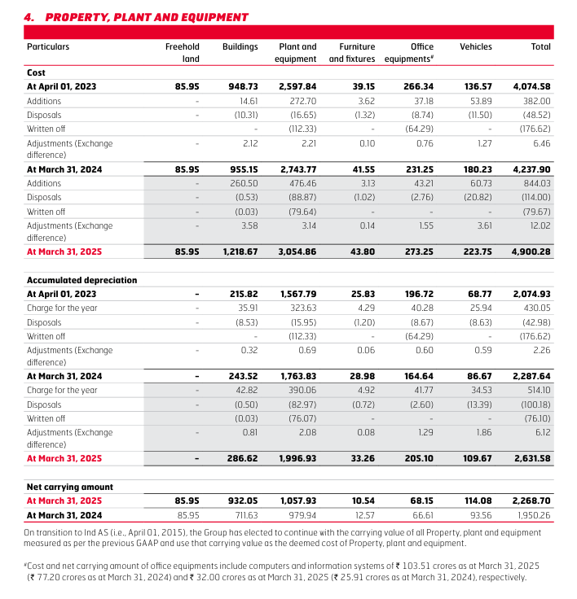
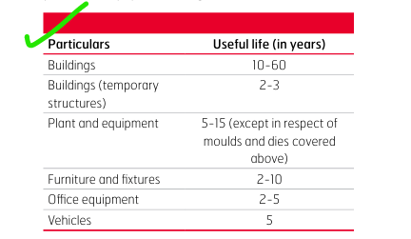
 | Particulars |  | 2019 | 2020 | 2021 | 2022 | 2023 | 2024 | 2025 |  | Median | Average
 | Gross Block |  | 2324 | 2690 | 2748 | 2929 | 3162 | 3469 | 3965
 | Less : Accumulated Dep & Amortization |  | 893 | 1242 | 1692 | 2100 | 2593 | 2974 | 3505
 | Net Fixed Assets |  | 1432 | 1448 | 1055 | 829 | 569 | 496 | 460

 | Total Assets |  | 11387 | 12450 | 14559 | 16140 | 19198 | 23128 | 27174

 | Net Fixed Asset % Total Assets |  | 12.6% | 11.6% | 7.2% | 5.1% | 3.0% | 2.1% | 1.7% |  | 5.1% | 6.2%

 | Total Revenue |  | 9797 | 9154 | 8720 | 10298 | 14442 | 16536 | 18870

 | Net Fixed Asset % Total Revenue |  | 14.6% | 15.8% | 12.1% | 8.0% | 3.9% | 3.0% | 2.4% |  | 8.0% | 8.6%

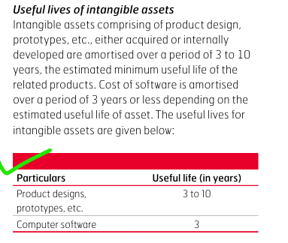
 | Growth in Gross Block YoY% |  |  | 15.7% | 2.2% | 6.6% | 8.0% | 9.7% | 14.3% |  | 8.8% | 9.4%
 | Change in Gross Block |  |  | 365 | 58 | 181 | 233 | 307 | 495
 | Change in Revenue |  |  | -643 | -433 | 1577 | 4144 | 2094 | 2335

 | Change in Revenue/Chage in Gross Block |  |  | -1.8x | -7.5x | 8.7x | 17.8x | 6.8x | 4.7x |  | 5.8x | 4.8x
 | Asset Turnover Ratio |  | 0.9x | 0.7x | 0.6x | 0.6x | 0.8x | 0.7x | 0.7x |  | 0.7x | 0.7x

 | Breakup of Fixed Assets |  | 2019 | 2020 | 2021 | 2022 | 2023 | 2024 | 2025
 | Property, plant and equipment |  | 1692 | 2002 | 1895 | 1911 | 2000 | 1950 | 2269
 | Capital work-in-progress |  | 272 | 27 | 64 | 134 | 78 | 212 | 110
 | Investment property |  | 4 | 3 | 0 | 0 | 0 | 0 | 0
 | Intangible assets |  | 179 | 185 | 341 | 330 | 464 | 692 | 888
 | Right of use assets |  | 0 | 188 | 198 | 184 | 226 | 272 | 317
 | Intangible assets under development |  | 178 | 285 | 250 | 371 | 394 | 343 | 381
 | Total Fixed Assets |  | 2324 | 2690 | 2748 | 2929 | 3162 | 3469 | 3965

 | Breakup of Fixed Assets - Common Size |  | 2019 | 2020 | 2021 | 2022 | 2023 | 2024 | 2025
 | Property, plant and equipment |  | 72.8% | 74.4% | 69.0% | 65.2% | 63.2% | 56.2% | 57.2%
 | Capital work-in-progress |  | 11.7% | 1.0% | 2.3% | 4.6% | 2.5% | 6.1% | 2.8%
 | Investment property |  | 0.2% | 0.1% | 0.0% | 0.0% | 0.0% | 0.0% | 0.0%
 | Intangible assets |  | 7.7% | 6.9% | 12.4% | 11.3% | 14.7% | 19.9% | 22.4%
 | Right of use assets |  | 0.0% | 7.0% | 7.2% | 6.3% | 7.2% | 7.8% | 8.0%
 | Intangible assets under development |  | 7.6% | 10.6% | 9.1% | 12.7% | 12.5% | 9.9% | 9.6%
 | Total Fixed Assets |  | 100% | 100% | 100% | 100% | 100% | 100% | 100%

 | Particulars |  | 2019 | 2020 | 2021 | 2022 | 2023 | 2024 | 2025
 | Change in Gross Block |  |  | 365 | 58 | 181 | 233 | 307 | 495
 | Depreciation and Amortization |  |  | 382 | 451 | 452 | 526 | 598 | 729

 | Maintenance Capex |  |  | 382 | 451 | 452 | 526 | 598 | 729
 | Growth Capex |  |  | 0 | 0 | 0 | 0 | 0 | 0

 | Management Guidance

 | FY25 CAPEX (IN CRS) |  | 1000 | this is 5% of FY25 sales
 | FY 26 CAPEX (in crs) |  | 1200 -1300 | mostly towards investment in EV

 | Other than this no guidance by management on capex

 | Consensus Estimate

 | Nothing found

Historically, the company has only done maintenance capex. For the year 2025, the company did a capex outflow of ~1000 crores and Asset turnover of 0.7x. Going ahead, for the year 2026, the management has given capex guidance of ~1200 - 1300 crores. The majority of this capex is to be invested towards EV growth.
We consider the company to conduct capex of INR 1200 crores in FY26 which will fuel company's growth. For the remaining future years, we assume the growth of 9.4% in gross block.
During the terminal year, capex is benchmarked with depreciation (100% maintenance) for moderate growth.

 | Particulars |  | 2019 | 2020 | 2021 | 2022 | 2023 | 2024 | 2025 | 2026 | 2027
 | Property, plant and equipment |  | 1692 | 2002 | 1895 | 1911 | 2000 | 1950 | 2269
 | Right of use assets |  | 0 | 188 | 198 | 184 | 226 | 272 | 317
 | Intangible assets |  | 179 | 185 | 341 | 330 | 464 | 692 | 888
 | Intangible assets under development |  | 178 | 285 | 250 | 371 | 394 | 343 | 381
 | Total Assets |  | 2049 | 2660 | 2684 | 2795 | 3084 | 3258 | 3855 | 5055 | 6255
 |  |  |  |  |  |  |  |  |  | 31.1% | 23.7%

 | Particulars |  | 2026 | 2027 | 2028 | 2029 | 2030
 | Capex |  | 1200 | 1200 | 1200 | 1200 | 1200

 | We expect capex to remain flat going ahead.

# | Other Non Current Item

 | Particulars |  | 2019 | 2020 | 2021 | 2022 | 2023 | 2024 | 2025
 | Revenue |  | 9797 | 9154 | 8720 | 10298 | 14442 | 16536 | 18870
 | Other Non Current Assets |  | 148 | 79 | 102 | 139 | 146 | 189 | 152

 | Other Non Current Assets % Revenue |  | 2% | 1% | 1% | 1% | 1% | 1% | 1%

# | CWIP

 | Particulars |  | 2019 | 2020 | 2021 | 2022 | 2023 | 2024 | 2025
 | Net Fixed Assets |  | 1432 | 1448 | 1055 | 829 | 569 | 496 | 460
 | CWIP |  | 272 | 27 | 64 | 134 | 78 | 212 | 110
 | CWIP % Fixed Assets |  | 19.0% | 1.8% | 6.1% | 16.2% | 13.7% | 42.7% | 24.0%
Flying Flea, Royal Enfield's electric mobility brand, will open its first company-operated flagship store in Paris in early 2026. The announcement was made during Paris Design Week, and came as part of a collaboration with École Duperré design school, where artists and students created interpretations of the brand's "Live Lightly" philosophy. Source - Q2FY26 investor presentation
 | Median CWIP % Fixed Assets - Moderate Capex |  | 4.0%
 | Median CWIP % Fixed Assets - Aggressive Capex |  | 19.0%

 | Management Guidance

 | No guidance given by management

 | Consensus Estimate

 | CWIP |  | FY26 | FY27
 | Geojit |  | 121 | 133
 | 110
 |  |  | 10.0% | 9.9%

Historically, the company's CWIP shoot up to ~19% of Net Fixed Assets following the years of high growth caoex which will eventually settle down to 4% of Net Fixed Assets. Basis the overall management commentary, the company is foreseeing continued capex in FY26. We assume the CWIP to grow by 10% for the next two years before settling down to 4% of Net Fixed Assets.

# | Depreciation

 | Particulars |  | 2019 | 2020 | 2021 | 2022 | 2023 | 2024 | 2025 |  | Median | Average
 | Gross Block |  | 2324 | 2690 | 2748 | 2929 | 3162 | 3469 | 3965
 | Less : Intangible assets |  | 357 | 470 | 592 | 701 | 859 | 1036 | 1269
 | Depreciable Gross Block |  | 1968 | 2219 | 2156 | 2228 | 2304 | 2434 | 2696
 | Less : Accumulated Dep & Amortization |  | 893 | 1242 | 1692 | 2100 | 2593 | 2974 | 3505
 | Net Depreciable Fixed Assets |  | 1075 | 978 | 464 | 128 | -290 | -540 | -809

 | Depreciation for the year |  | 300 | 382 | 451 | 452 | 526 | 598 | 729

 | Average Life of Asset |  | 7 | 6 | 5 | 5 | 4 | 4 | 4 |  | 5 | 5
 | Average Age of Asset |  | 3 | 3 | 4 | 5 | 5 | 5 | 5 |  | 5 | 4
 | % Asset depreciated |  | 45.4% | 55.9% | 78.5% | 94.3% | 112.6% | 122.2% | 130.0%

 | Depreciation % Net Fixed Assets |  | 28% | 39% | 97% | 353% | -182% | -111% | -90% |  | 28% | 19%

 | Depreciation % Gross Block |  | 13% | 14% | 16% | 15% | 17% | 17% | 18% |  | 16% | 16%

 | Depreciation % Revenue |  | 3% | 4% | 5% | 4% | 4% | 4% | 4% |  | 4% | 4%

# | Current Liabilities

 | Trade Payables % Revenue | Trade Receivable % Revenue
2019 | 12.6% | 0.9%
2020 | 11.0% | 0.9%
2021 | 17.4% | 1.8%
2022 | 17.4% | 2.9%
2023 | 12.5% | 2.6%
2024 | 12.6% | 2.3%
2025 | 13.4% | 2.9%
 | Particulars |  | 2019 | 2020 | 2021 | 2022 | 2023 | 2024 | 2025 |  | Median | Average
 | Trade Payables |  | 1234 | 1008 | 1513 | 1788 | 1810 | 2090 | 2530
 | Growth YoY% |  |  | -18.3% | 50.1% | 18.2% | 1.2% | 15.4% | 21.0%

 | COGS |  | 5057 | 4996 | 5112 | 5956 | 8212 | 8981 | 10297

 | Trade Payables % COGS |  | 24.4% | 20.2% | 29.6% | 30.0% | 22.0% | 23.3% | 24.6% |  | 24% | 25%

 | Trade Payables Days |  | 89 | 74 | 108 | 110 | 80 | 85 | 90 |  | 89 | 91
 | 365

 | Revenue |  | 9797 | 9154 | 8720 | 10298 | 14442 | 16536 | 18870

 | Trade Payables % Revenue |  | 12.6% | 11.0% | 17.4% | 17.4% | 12.5% | 12.6% | 13.4% |  | 13% | 14%
 | Trade Receivable % Revenue |  | 0.9% | 0.9% | 1.8% | 2.9% | 2.6% | 2.3% | 2.9% |  | 2% | 2%

 | Peer Comparison

 | Peer Payables Days Analysis |  | 2019 | 2020 | 2021 | 2022 | 2023 | 2024 | 2025
 | Eicher Motors |  | 89 | 74 | 108 | 110 | 80 | 85 | 90
 | Bajaj Auto |  | 63 | 56 | 85 | 54 | 58 | 64 | 66
 | TVS Motors |  | 83 | 94 | 121 | 105 | 89 | 99 | 103
 | Hero Motorcorp |  | 54 | 58 | 88 | 76 | 73 | 80 | 77

 | Median |  | 73 | 66 | 98 | 91 | 77 | 82 | 83
 | Average |  | 72 | 70 | 101 | 86 | 75 | 82 | 84
 | Source : Screener (it calculates payable days on basis of COGS)

 | Street Estimates |  | FY26 | FY27
 | Geojit |  | 90 | 91
 | BOB CAPS |  | 87 | 88
 | Median |  | 89 | 90

 | Management Guidance

 | No management guidance

The company has median trade payable of 89 days. From past three years , company's trade payable days has been rising slowly and are now back at pre covid levels. The trade payable is consistently ~24% of COGS and ~13% of Revenue.
The peer companies in the market maintain payable of 83 days which is slightly lower than the 6 year historical payable days of the company. Further, street estimates suggest the payable levels to remain flat from existing payable days with consensus estimate of 90 days.
In absence of management guidance and basis our research, we assume the payable days to remain flat at 90 days.

# | Other Current Liabilities

 | Particulars |  | 2019 | 2020 | 2021 | 2022 | 2023 | 2024 | 2025
 | Revenue |  | 9,797 | 9,154 | 8,720 | 10,298 | 14,442 | 16,536 | 18,870 |  | Method A
 | Other current liabilities |  | 226 | 138 | 273 | 301 | 454 | 454 | 559

 | Other current assets % Revenue |  | 2% | 2% | 3% | 3% | 3% | 3% | 3% | 3% | 3%

 | We assume Other current liabilites to remain flat at 3% of revenue.

 | We assume Other Current Liabilities excluding short term borrowings to remain flat at 2025 levels. The short term borrowings is' separately calculated. |  |  |  |  |  |  |  |  |  |  |  | METHOD B

# | Debt

 | Particulars |  | 2019 | 2020 | 2021 | 2022 | 2023 | 2024 | 2025
 | Long Term Borrowings |  | 0 | 0 | 0 | 0 | 63 | 163 | 184
 | YoY Growth % |  |  | 0% | 0% | 0% | 0% | 160% | 13% |  | 0% | 29%
 | Short Term Borrowings |  | 187 | 144 | 157 | 59 | 133 | 112 | 82
 | YoY Growth % |  |  | -23% | 9% | -63% | 126% | -16% | -27% |  | -19% | 1%
 | Total Borrowings |  | 187 | 144 | 157 | 59 | 196 | 276 | 266
 | YoY Growth % |  |  | -23% | 9% | -63% | 233% | 41% | -3% |  | 3% | 32%

 | LTB%TB |  | 0.0% | 0.0% | 0.0% | 0.0% | 32.2% | 59.3% | 69.2% |  | 59% | 54%
 | STB%TB |  | 100.0% | 100.0% | 100.0% | 100.0% | 67.8% | 40.7% | 30.8% |  | 41% | 46%

 | Revenue |  | 9,797 | 9,154 | 8,720 | 10,298 | 14,442 | 16,536 | 18,870

 | LTB%Revenue |  | 0.0% | 0.0% | 0.0% | 0.0% | 0.4% | 1.0% | 1.0% |  | 0.0% | 0.3%
 | STB%Revenue |  | 1.9% | 1.6% | 1.8% | 0.6% | 0.9% | 0.7% | 0.4% |  | 0.9% | 1.1%

 | Debt to Equity |  | 0.02x | 0.01x | 0.01x | 0.00x | 0.01x | 0.02x | 0.01x |  | 0.01x | 0.01x
 | Debt to Capital |  | 0.02x | 0.01x | 0.01x | 0.00x | 0.01x | 0.02x | 0.01x |  | 0.01x | 0.01x
 | Debt to Asset |  | 0.02x | 0.01x | 0.01x | 0.00x | 0.01x | 0.01x | 0.01x |  | 0.01x | 0.01x
 | Debt to EBITDA |  | 0.06x | 0.07x | 0.09x | 0.03x | 0.06x | 0.06x | 0.06x |  | 0.06x | 0.06x

 | Management Guidance

 | No management guidance on debt levels

The company is a debt free company with Debt to Equity, Debt to Capital and Debt to Asset ratios consistent at 0.01x and Debt to EBITDA ratio at 0.06x.
In absesnce of management guidance and basis our research, we assume the LT debt to grow at 1% of the revenue for the next year and then eventually decline to 0.1% and ST debt to grow at 0.7% of the revenue respectively.

# | Interest

 | Particulars |  | 2019 | 2020 | 2021 | 2022 | 2023 | 2024 | 2025
 | Total Borrowings |  | 187 | 144 | 157 | 59 | 196 | 276 | 266
 | Interest Cost |  | 7 | 19 | 16 | 19 | 28 | 51 | 54
 | Interest Cost % TB |  | 4% | 13% | 10% | 32% | 14% | 18% | 20%

 | Particulars |  | Interest Rate | Amount
 |  |  | 0.10% | 184.36
 |  |  | 6.50% | 79.59
 |  |  | 2.85% | 2.52
 | Weighted Average rate of Interest |  | 2.04%

# | Other Income

 | Particulars |  | 2019 | 2020 | 2021 | 2022 | 2023 | 2024 | 2025 |  | Median | Average
 | Revenue |  | 9797 | 9154 | 8720 | 10298 | 14442 | 16536 | 18870
 | Other Income |  | 443 | 543 | 453 | 441 | 595 | 1076 | 1305

 | Other Income % Revenue |  | 4.5% | 5.9% | 5.2% | 4.3% | 4.1% | 6.5% | 6.9% |  | 5.2% | 5.4% |  | We assume other income to grow by 5.2% of the revenue

# | Dividend

 | Particulars |  | 2019 | 2020 | 2021 | 2022 | 2023 | 2024 | 2025
 | Total Dividend |  | 341 | 341 | 465 | 574 | 1012 | 1396 | 1919
 | Total NP |  | 2220 | 1827 | 1347 | 1677 | 2914 | 4001 | 4734

 | Dividend Payout Ratio |  | 15.4% | 18.7% | 34.5% | 34.2% | 34.7% | 34.9% | 40.5% |  | We assume Dividend Payout Ratio going ahead to increase constantly as the company is going to become more mature. Hence as a result, we have aligned this ratio to its peers DPR.

# | Dividend

 | Particulars |  | 2019 | 2020 | 2021 | 2022 | 2023 | 2024 | 2025 | 2026 | 2027 | 2028 | 2029 | 2030
 | Total Cash |  | 727 | 43 | 94 | 51 | 89 | 107 | 219 | 1424 | 2481 | 3655 | 4250 | 4661
 | Revenue |  | 9797 | 9154 | 8720 | 10298 | 14442 | 16536 | 18870 | 21701 | 24793 | 28140 | 31728 | 35536

 | Cash % Revenue |  | 7% | 0% | 1% | 0% | 1% | 1% | 1% | 7% | 10% | 13% | 13% | 13%

 | Total Asset |  | 11387 | 12450 | 14559 | 16140 | 19198 | 23128 | 27174 | 30073 | 32858 | 35587 | 37857 | 39928

 | Cash % Total Asset |  | 6% | 0% | 1% | 0% | 0% | 0% | 1% | 5% | 8% | 10% | 11% | 12%

 | Assumed Operating Cash % Revenue |  | 7% | 0% | 1% | 0% | 1% | 1% | 1% | 2% | 2% | 2% | 2% | 2%

 | Operating Cash |  | 727 | 43 | 94 | 51 | 89 | 107 | 219 | 434 | 496 | 563 | 635 | 711

 | Excess Cash |  | - | - | - | - | - | - | - | 990 | 1985 | 3092 | 3616 | 3951

 | Operating Cash | Excess Cash
2019 | 727 | -
2020 | 43 | -
2021 | 94 | -
2022 | 51 | -
2023 | 89 | -
2024 | 107 | -
2025 | 219 | -
2026 | 434 | 989.50
2027 | 496 | 1,985.37
2028 | 563 | 3,092.14
2029 | 635 | 3,615.76
2030 | 711 | 3,950.62

Report
Eicher Motors Limited (EML) is an Indian, multinational automotive company that has diversified interests in motorcycle and commercial vehicles manufacturing. The Company is engaged in the manufacturing and selling of motorcycles, spare parts and related services. It manufactures the iconic 'Royal Enfield' brand of motorcycles, which leads the premium motorcycle segment in India. Royal Enfield is the oldest motorcycle brand having the production worldwide since 1901. Royal Enfield's product line includes the Bullet, Classic and Thunderbird models in 350cc. EML's 50-50 joint venture with the Sweden's AB Volvo ,VE Commercial Vehicles Limited (VECV) is a joint venture between the Volvo Group and Eicher Motors Limited. In operation since July 2008, the company includes the complete range of Eicher branded trucks and buses, VE Powertrain, Eicher’s components and engineering design services businesses, the sales and distribution business of Volvo Trucks as well as aftermarket support to Volvo Buses in India. |  |  |  |  |  |  | Global growth is projected at 3% for CY25 and 3.1% for CY26. The forecast for 2025 is 0.2% point higher than that in the reference forecast of the April 2025 World Economic Outlook (WEO) and 0.1% point higher for 2026. This reflects stronger-than-expected front-loading in anticipation of higher tariffs; lower average effective US tariff rates than announced in April; an improvement in financial conditions, including due to a weaker US dollar; and fiscal expansion in some major jurisdictions. Global headline inflation is expected to fall to 4.2% in 2025 and 3.6% in 2026, a path similar to the one projected in April. The overall picture hides notable cross-country differences, with forecasts predicting inflation will remain above target in the United States and be more subdued in other large economies. Risks to the outlook are tilted to the downside, as they were in the April 2025 WEO. A rebound in effective tariff rates could lead to weaker growth. Elevated uncertainty could start weighing more heavily on activity, also as deadlines for additional tariffs expire without progress on substantial, permanent agreements. Geopolitical tensions could disrupt global supply chains and push commodity prices up. Larger fiscal deficits or increased risk aversion could raise long-term interest rates and tighten global financial conditions. Combined with fragmentation concerns, this could reignite volatility in financial markets. On the upside, global growth could be lifted if trade negotiations lead to a predictable framework and to a decline in tariffs. Policies need to bring confidence, predictability, and sustainability by calming tensions, preserving price and financial stability, restoring fiscal buffers, and implementing much-needed structural reform

 |  |  |  |  | India | 85.50%
 |  |  |  |  | Rest of the world | 14.50%

Location Wise Breakup
 |  |  |  |  |  |  |  |  | Growth in advanced economies is projected to be 1.5 percent in 2025 and 1.6 percent in 2026. In the United States, with tariff rates settling at lower levels than those announced on April 2 and looser financial conditions, the economy is projected to expand at a rate of 1.9 percent in 2025. In the euro area, growth is expected to accelerate to 1.0 percent in 2025 and to 1.2 percent in 2026. This is an upward revision of 0.2 percentage point for 2025, but it is largely driven by the strong GDP outturn in Ireland in the first quarter of the year, although Ireland represents less than 5 percent of euro area GDP. The upward revision for 2025 reflects a historically largeincrease in Irish pharmaceutical exports to the United States resulting from front-loading and the opening of new production facilities. In emerging market and developing economies, growth is expected to be 4.1 percent in 2025 and 4.0 percent in 2026. Relative to the forecast in April, growth in 2025 for China is revised upward by 0.8 percentage point to 4.8 percent. In India, growth is projected to be 6.4 percent in 2025 and 2026, with both numbers revised slightly upward, reflecting a more benign external environment than assumed in the April reference forecast.

 | Accessories and other allied products | 5.90%
 | Spare parts and other components | 7.10%
 | Two Wheelers | 87.00%

Product Wise Revenue Breakup

 |  |  |  |  |  |  |  |  | In recent times, the global economy has not been in good shape due to geo politicial tensions and uncertainty around tariff issues.
 |  |  |  |  |  |  |  |  | The global economy has not been doing well in recent times, mainly due to geopolitical tensions and uncertainty around tariffs.
Global GDP Predictions

 |  |  |  |  |  |  |  |  | Global GDP Predictions | 2024A | 2025A | 2026P
 |  |  |  |  |  |  |  |  | World | 3.30% | 3.00% | 3.10%
 |  |  |  |  |  |  |  |  | Advanced Economies | 1.80% | 1.50% | 1.60%
 |  |  |  |  |  |  |  |  | Emerging Economies | 4.30% | 4.10% | 4.00%
 |  |  |  |  |  |  |  |  | Euro Area | 0.90% | 1.00% | 1.20%
 |  |  |  |  |  |  |  |  | US | 2.80% | 1.90% | 2.00%
 |  |  |  |  |  |  |  |  | Japan | 0.20% | 0.70% | 0.50%
 |  |  | Date | Price |  |  |  |  | UK | 1.10% | 1.20% | 1.40%
 |  |  | 2024-11-27 | 4,917.50 |  |  |  |  | China | 5.00% | 4.80% | 4.20%
 |  |  | 2024-11-28 | 4,815.70 |  |  |  |  | India | 6.50% | 6.40% | 6.60%
 |  |  | 2024-11-29 | 4,831.85
 |  |  | 2024-12-02 | 4,820.70
 |  |  | 2024-12-03 | 4,844.35
 |  |  | 2024-12-04 | 4,797.05
 |  |  | 2024-12-05 | 4,837.55
 |  |  | 2024-12-06 | 4,877.05
 |  |  | 2024-12-09 | 4,842.10
 |  |  | 2024-12-10 | 4,813.05
 |  |  | 2024-12-11 | 4,801.95
 |  |  | 2024-12-12 | 4,807.65
 |  |  | 2024-12-13 | 4,825.90
 |  |  | 2024-12-16 | 4,838.50
 |  |  | 2024-12-17 | 4,742.65 |  |  |  |  |  | India, UK sign landmark free trade agreement after years of negotiation
 |  |  | 2024-12-18 | 4,749.85 |  |  |  |  |  | India and the UK have finalized a free trade agreement, enhancing economic ties and aiming for $120 billion in trade by 2030. The deal eliminates tariffs on 99% of Indian exports, benefiting key sectors and promoting a strategic partnership across various domains including technology and defense.
 |  |  | 2024-12-19 | 4,771.95
 |  |  | 2024-12-20 | 4,734.50
 |  |  | 2024-12-23 | 4,750.55 |  |  |  |  |  | Source
 |  |  | 2024-12-24 | 4,792.90
 |  |  | 2024-12-26 | 4,801.35 |  |  |  |  |  | India aims to double bilateral trade with UK to $120 billion by 2030: Modi
 |  |  | 2024-12-27 | 4,876.90 |  |  |  |  |  | British prime minister Keir Starmer said that the India-UK free trade agreement will add “billions of pounds” to UK’s GDP and hundreds of billions of rupees to India’s, as well as add billions to wages.
 |  |  | 2024-12-30 | 4,855.80 |  |  |  |  |  | Source | https://www.livemint.com/industry/banking/india-uk-bilateral-trade-narendra-modi-keir-starmer-gdp-export-import-11760019769841.html
 |  |  | 2024-12-31 | 4,821.90
 |  |  | 2025-01-01 | 4,885.30
 |  |  | 2025-01-02 | 5,308.10 |  |  |  |  |  | India Q2 GDP preview: Urban demand, rural spending amid favourable base likely pushed growth to 7–8%
 |  |  | 2025-01-03 | 5,310.75 |  |  |  |  |  | Economists predict India's Q2FY26 GDP growth could reach 7-8%, driven by strong government spending, urban demand, and a revival in rural spending, amid a favourable base. With the key data set for release, the economic landscape appears promising yet cautious
 |  |  | 2025-01-06 | 5,250.10 |  |  |  |  |  | Source | https://www.livemint.com/economy/india-q2-gdp-preview-urban-demand-rural-spending-amid-favourable-base-likely-pushed-growth-to-78-11764235766103.html
 |  |  | 2025-01-07 | 5,177.30
 |  |  | 2025-01-08 | 5,163.20
 |  |  | 2025-01-09 | 5,139.90
 |  |  | 2025-01-10 | 5,058.45
 |  |  | 2025-01-13 | 4,939.10
 |  |  | 2025-01-14 | 5,029.55
Revenue Growth
 |  |  | 2025-01-15 | 5,081.90
 |  |  | 2025-01-16 | 5,047.80
 |  |  | 2025-01-17 | 5,012.30
 |  |  | 2025-01-20 | 5,016.75
 |  |  | 2025-01-21 | 4,969.95
 |  |  | 2025-01-22 | 5,009.70
 |  |  | 2025-01-23 | 5,116.20
 |  |  | 2025-01-24 | 5,206.30
 |  |  | 2025-01-27 | 5,144.50
 |  |  | 2025-01-28 | 5,105.40
 |  |  | 2025-01-29 | 5,182.90
 |  |  | 2025-01-30 | 5,164.35
 |  |  | 2025-01-31 | 5,194.30
 |  |  | 2025-02-01 | 5,390.15
India vs Global GDP Growth
 |  |  | 2025-02-03 | 5,485.25
 |  |  | 2025-02-04 | 5,450.10
 |  |  | 2025-02-05 | 5,417.20
 |  |  | 2025-02-06 | 5,342.00 |  |  |  |  |  |  |  |  |  |  |  | Particulars | 2019A | 2020A | 2021A | 2022A | 2023A | 2024A | 2025A | 2026F | 2027F | 2028F | 2029F | 2030F
 |  |  | 2025-02-07 | 5,372.55 |  |  |  |  |  |  | India vs Global GDP Growth |  |  |  |  | Revenue | 9797.06 | 9153.58 | 8720.35 | 10297.83 | 14442.18 | 16535.78 | 18870.35 | 21701 | 24793 | 28140 | 31728 | 35536
 |  |  | 2025-02-10 | 5,335.35 |  |  |  |  |  |  |  | India's Growth Rate | Global Growth Rate |  |  | Revenue Growth | 6% | -7% | -5% | 18% | 40% | 14% | 14% | 15% | 14% | 14% | 13% | 12%
 |  |  | 2025-02-11 | 4,972.35 |  |  |  |  |  |  | 2020A | -5.80% | -2.80%
 |  |  | 2025-02-12 | 4,849.45 |  |  |  |  |  |  | 2021A | 9.70% | 6.40%
 |  |  | 2025-02-13 | 4,820.40 |  |  |  |  |  |  | 2022A | 7.60% | 3.40%
 |  |  | 2025-02-14 | 4,703.35 |  |  |  |  |  |  | 2023A | 9.20% | 2.90%
 |  |  | 2025-02-17 | 4,745.20 |  |  |  |  |  |  | 2024A | 6.50% | 2.90% |  |  | Particulars | 2021A | 2022A | 2023A | 2024A | 2025A | 2026F | 2027F | 2028F | 2029F | 2030F
 |  |  | 2025-02-18 | 4,719.40 |  |  |  |  |  |  | 2025P | 6.40% | 3% |  |  | Gross Profit | 3608 | 4342 | 6230 | 7555 | 8573 | 9765 | 11157 | 12663 | 14278 | 16133
 |  |  | 2025-02-19 | 4,810.60 |  |  |  |  |  |  | 2026P | 6.60% | 3.10%
 |  |  | 2025-02-20 | 4,888.40
 |  |  | 2025-02-21 | 4,962.45
 |  |  | 2025-02-24 | 5,010.80
 |  |  | 2025-02-25 | 4,989.80
 |  |  | 2025-02-27 | 4,935.50 |  |  |  |  |  |  | Q2FY24 | 9.30% |  |  |  | Particulars | 2021A | 2022A | 2023A | 2024A | 2025A | 2026F | 2027F | 2028F | 2029F | 2030F
India's Quarterly GDP Growth
 |  |  | 2025-02-28 | 4,773.60 |  |  |  |  |  |  | Q3FY24 | 9.50% |  |  |  | Gross Margins | 41% | 42% | 43% | 46% | 45% | 45% | 45% | 45% | 45% | 45%
 |  |  | 2025-03-03 | 4,906.60 |  |  |  |  |  |  | Q4FY24 | 8.40%
 |  |  | 2025-03-04 | 4,815.10 |  |  |  |  |  |  | Q1FY25 | 6.50%
 |  |  | 2025-03-05 | 4,988.30 |  |  |  |  |  |  | Q2FY25 | 5.60%
 |  |  | 2025-03-06 | 5,094.40 |  |  |  |  |  |  | Q3FY25 | 6.40%
 |  |  | 2025-03-07 | 5,100.70 |  |  |  |  |  |  | Q4FY25 | 7.40%
 |  |  | 2025-03-10 | 4,990.55 |  |  |  |  |  |  | Q1FY26 | 7.80%
 |  |  | 2025-03-11 | 4,985.55 |  |  |  |  |  |  | Q2FY26 | 8.20%
 |  |  | 2025-03-12 | 5,017.45
 |  |  | 2025-03-13 | 5,015.25
 |  |  | 2025-03-17 | 5,050.25
 |  |  | 2025-03-18 | 5,127.40
 |  |  | 2025-03-19 | 5,100.90
 |  |  | 2025-03-20 | 5,229.35
 |  |  | 2025-03-21 | 5,305.95
 |  |  | 2025-03-24 | 5,424.20
 |  |  | 2025-03-25 | 5,431.25
 |  |  | 2025-03-26 | 5,403.30
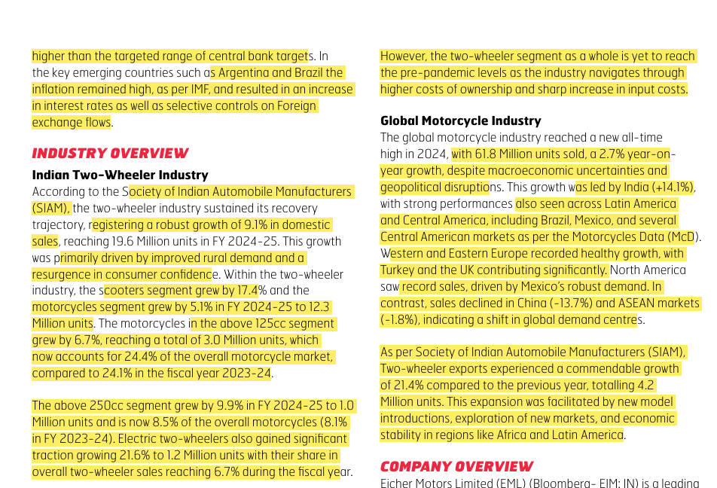
 |  |  | 2025-03-27 | 5,345.75
 |  |  | 2025-03-28 | 5,347.70
 |  |  | 2025-04-01 | 5,307.20
 |  |  | 2025-04-02 | 5,355.50
 |  |  | 2025-04-03 | 5,379.15
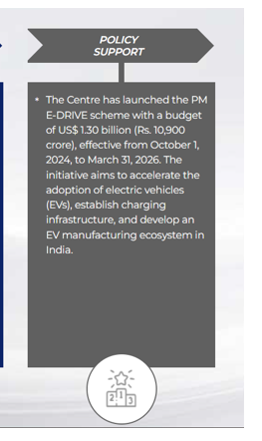
 |  |  | 2025-04-04 | 5,247.90
 |  |  | 2025-04-07 | 5,065.25
 |  |  | 2025-04-08 | 5,231.35
 |  |  | 2025-04-09 | 5,258.30
 |  |  | 2025-04-11 | 5,350.90
 |  |  | 2025-04-15 | 5,529.00 |  |  |  |  |  |  |  |  |  |  |  |  |  |  |  |  |  | A Kearney study projects India’s two-wheeler industry to grow at 6–8% annually until 2030, fueled by increased household penetration, rising incomes, and electric vehicle adoption. The industry already contributes 15% to India’s automotive output, with strong demand driven by factors like lower two-wheeler ownership per household compared to other countries.
 |  |  | 2025-04-16 | 5,615.50
 |  |  | 2025-04-17 | 5,678.50
 |  |  | 2025-04-21 | 5,810.50
 |  |  | 2025-04-22 | 5,784.00
 |  |  | 2025-04-23 | 5,740.00
 |  |  | 2025-04-24 | 5,650.50
 |  |  | 2025-04-25 | 5,575.50
 |  |  | 2025-04-28 | 5,622.00
 |  |  | 2025-04-29 | 5,579.00
 |  |  | 2025-04-30 | 5,567.00
 |  |  | 2025-05-02 | 5,437.50
 |  |  | 2025-05-05 | 5,460.50
 |  |  | 2025-05-06 | 5,515.00
 |  |  | 2025-05-07 | 5,489.00
 |  |  | 2025-05-08 | 5,372.50
 |  |  | 2025-05-09 | 5,324.00
 |  |  | 2025-05-12 | 5,520.00
 |  |  | 2025-05-13 | 5,419.00
 |  |  | 2025-05-14 | 5,446.50
 |  |  | 2025-05-15 | 5,466.00 |  |  |  | Source Annual Reports
Two Wheeler Domestic Sales (Units in '000)
 |  |  | 2025-05-16 | 5,509.50 |  |  |  |  |  |  |  |  |  |  |  |  |  |  |  |  |  |  |  |  |  |  |  |  |  |  |  |  |  |  |  |  | Particulars | 2019 | 2020 | 2021 | 2022 | 2023 | 2024 | 2025
 |  |  | 2025-05-19 | 5,530.00 |  |  |  |  |  |  |  |  |  |  |  |  |  |  |  |  |  |  |  |  |  |  |  |  |  |  |  |  |  |  |  |  | Inventories | 633 | 572 | 875 | 1132 | 1278 | 1410 | 1564
 |  |  | 2025-05-20 | 5,387.50 |  |  |  |  |  |  |  |  |  |  |  |  |  |  |  |  |  |  |  |  |  |  |  |  |  |  |  |  |  |  |  |  | Inventory Days(Revenue) | 21 | 24 | 30 | 36 | 30 | 30 | 29
 |  |  | 2025-05-21 | 5,409.00
 |  |  | 2025-05-22 | 5,387.00
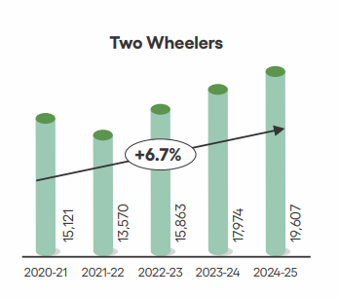
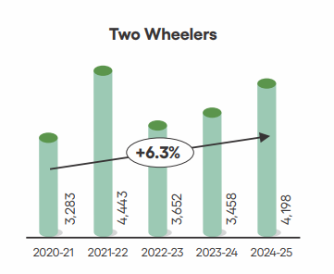
CAGR : 6.7%
 |  |  | 2025-05-23 | 5,400.00
 |  |  | 2025-05-26 | 5,427.50 |  |  |  |  |  |  |  |  |  |  |  |  |  |  |  |  |  |  |  |  |  |  |  |  | Particulars | 2019 | 2020 | 2021 | 2022 | 2023 | 2024 | 2025
 |  |  | 2025-05-27 | 5,389.50 |  |  |  |  |  |  |  |  |  |  |  |  |  |  |  |  |  |  |  |  |  |  |  |  | SG&A Expenses | 1822 | 1959 | 1818 | 2170 | 2787 | 3228 | 3861
 |  |  | 2025-05-28 | 5,326.50 |  |  |  |  |  |  |  |  |  |  |  |  |  |  |  |  |  |  |  |  |  |  |  |  | SG&A % Revenue | 19% | 21% | 21% | 21% | 19% | 20% | 20%
Inventory Days
 |  |  | 2025-05-29 | 5,379.00 |  |  |  |  |  |  |  |  |  | 2020-21 | 15121
 |  |  | 2025-05-30 | 5,333.50 |  |  |  |  |  |  |  |  |  | 2021-22 | 13570
SG&A % Revenue
 |  |  | 2025-06-02 | 5,361.00 |  |  |  |  |  |  |  |  |  | 2022-23 | 15863
 |  |  | 2025-06-03 | 5,354.00 |  |  |  |  |  |  |  |  |  | 2023-24 | 17974
 |  |  | 2025-06-04 | 5,319.50 |  |  |  |  |  |  |  |  |  | 2024-25 | 19607
 |  |  | 2025-06-05 | 5,308.50
 |  |  | 2025-06-06 | 5,394.00
 |  |  | 2025-06-09 | 5,391.00 |  |  |  |  |  |  |  |  |  | 2020-21 | 3283
 |  |  | 2025-06-10 | 5,377.50 |  |  |  |  |  |  |  |  |  | 2021-22 | 4443
Two Wheeler Exports (Units in '000)
 |  |  | 2025-06-11 | 5,352.00 |  |  |  |  |  |  |  |  |  | 2022-23 | 3652
 |  |  | 2025-06-12 | 5,315.50 |  |  |  |  |  |  |  |  |  | 2023-24 | 3458
 |  |  | 2025-06-13 | 5,319.00 |  |  |  |  |  |  |  |  |  | 2024-25 | 4198
CAGR : 6.3%
 |  |  | 2025-06-16 | 5,365.00 |  |  |  | Source : Society of Indian Automobile Manufacturers (SIAM)
 |  |  | 2025-06-17 | 5,341.00
 |  |  | 2025-06-18 | 5,393.00
 |  |  | 2025-06-19 | 5,493.50
 |  |  | 2025-06-20 | 5,525.00
 |  |  | 2025-06-23 | 5,552.50
 |  |  | 2025-06-24 | 5,629.00
 |  |  | 2025-06-25 | 5,576.00 |  |  |  |  |  |  |  |  |  |  |  |  |  |  |  |  |  |  |  |  |  |  |  |  |  |  |  |  |  |  |  |  | Particulars | 2019A | 2020A | 2021A | 2022A | 2023A | 2024A | 2025A
 |  |  | 2025-06-26 | 5,611.50 |  |  |  | The company established a CKD (assembly unit) in Nepal in FY24, with a capacity of 20,000 units to serve Nepal and the SAARC region. Additionally, it has plans to set up CKDs in Bangladesh, which will begin operations from FY25 onwards. The company spent Rs. 808 Cr on capital expenditure in FY24, up from Rs. 629 Cr in FY22. [22] [20] With a presence in over 65 countries and manufacturing rooted in India, the brand has become synonymous with timeless design and experiential riding. |  |  |  |  |  |  |  |  |  |  |  |  |  |  |  |  |  |  |  |  |  |  |  |  |  |  |  |  | Trade Receivable | 84 | 87 | 158 | 302 | 369 | 374 | 550
 |  |  | 2025-06-27 | 5,660.00 |  |  |  |  |  |  |  |  |  |  |  |  |  |  |  |  |  |  |  |  |  |  |  |  |  |  |  |  |  |  |  |  | Receivable Days | 3 | 3 | 7 | 11 | 9 | 8 | 11
 |  |  | 2025-06-30 | 5,656.50
 |  |  | 2025-07-01 | 5,715.50
Trade Receivable Days
 |  |  | 2025-07-02 | 5,722.50
 |  |  | 2025-07-03 | 5,716.00
 |  |  | 2025-07-04 | 5,629.00
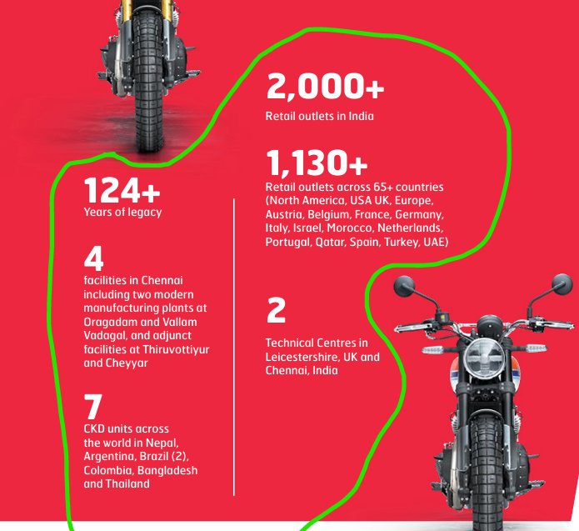
 |  |  | 2025-07-07 | 5,682.50
we will aim to achieve faster growth than the industry while maintaining best-in-class margins over the long term. WE’RE NOW #1 IN THE MIDSIZE SEGMENT IN THE UK, #2 IN ARGENTINA, #3 IN BRAZIL, AND #5 IN THE EU. Royal Enfield has been debottlenecking and expanding modular capacity: base capacity was ~1.2m pa, ramped up to ~1.3–1.35m through debottlenecking and interim modules, and management has kicked off an additional module (to come online from Q1 next year) to meet rising 350cc demand
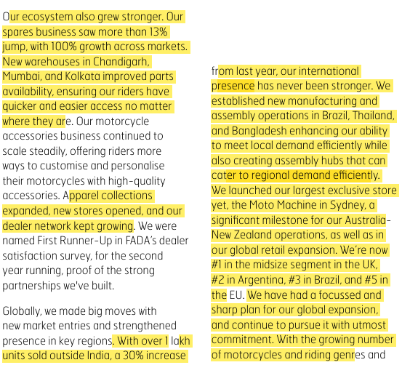
 |  |  | 2025-07-08 | 5,679.50
 |  |  | 2025-07-09 | 5,695.00
 |  |  | 2025-07-10 | 5,652.00
 |  |  | 2025-07-11 | 5,612.50
 |  |  | 2025-07-14 | 5,540.50
 |  |  | 2025-07-15 | 5,591.00
 |  |  | 2025-07-16 | 5,626.50
 |  |  | 2025-07-17 | 5,650.00
 |  |  | 2025-07-18 | 5,627.50
 |  |  | 2025-07-21 | 5,558.00
 |  |  | 2025-07-22 | 5,439.50
 |  |  | 2025-07-23 | 5,441.50
 |  |  | 2025-07-24 | 5,469.00
 |  |  | 2025-07-25 | 5,433.00
 |  |  | 2025-07-28 | 5,386.00 |  |  |  |  |  |  |  |  |  |  |  |  |  |  |  |  |  |  |  |  |  |  |  |  |  |  |  |  |  |  |  |  | Particulars | 2019A | 2020A | 2021A | 2022A | 2023A | 2024A | 2025A
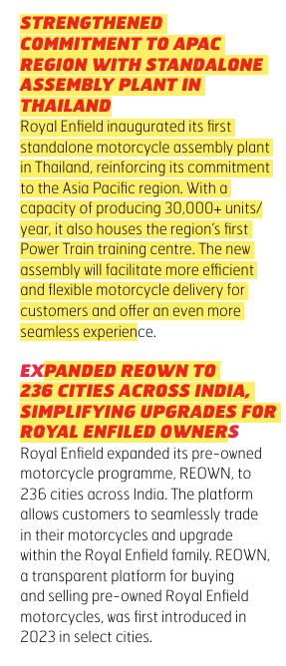
 |  |  | 2025-07-29 | 5,470.50 |  |  |  |  |  |  |  |  |  |  |  |  |  |  |  |  |  |  |  |  |  |  |  |  |  |  |  |  |  |  |  |  | Trade Payables | 1234 | 1008 | 1513 | 1788 | 1810 | 2090 | 2530
 |  |  | 2025-07-30 | 5,481.00 |  |  |  |  |  |  |  |  |  |  |  |  |  |  |  |  |  |  |  |  |  |  |  |  |  |  |  |  |  |  |  |  | Trade Payables Days | 89 | 74 | 108 | 110 | 80 | 85 | 90
 |  |  | 2025-07-31 | 5,468.50
Trade Payable Days
 |  |  | 2025-08-01 | 5,528.00
 |  |  | 2025-08-04 | 5,621.00
 |  |  | 2025-08-05 | 5,681.00
 |  |  | 2025-08-06 | 5,668.00
 |  |  | 2025-08-07 | 5,681.50
 |  |  | 2025-08-08 | 5,663.00
 |  |  | 2025-08-11 | 5,671.50
 |  |  | 2025-08-12 | 5,658.00
 |  |  | 2025-08-13 | 5,714.50
 |  |  | 2025-08-14 | 5,764.00
 |  |  | 2025-08-18 | 5,912.00
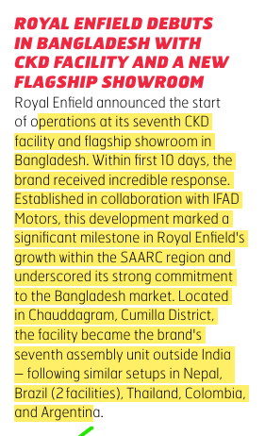
 |  |  | 2025-08-19 | 5,938.50
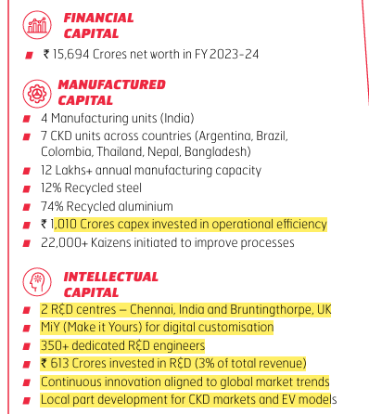
 |  |  | 2025-08-20 | 5,937.50
 |  |  | 2025-08-21 | 5,975.00
 |  |  | 2025-08-22 | 5,924.50
 |  |  | 2025-08-25 | 5,990.50
 |  |  | 2025-08-26 | 6,151.00
 |  |  | 2025-08-28 | 6,133.00
 |  |  | 2025-08-29 | 6,103.00
 |  |  | 2025-09-01 | 6,280.00
 |  |  | 2025-09-02 | 6,349.00 |  |  |  |  |  |  |  |  |  |  |  |  |  |  |  |  |  |  |  |  |  |  |  |  |  |  |  |  |  |  |  |  | Particulars | 2019A | 2020A | 2021A | 2022A | 2023A | 2024A | 2025A
 |  |  | 2025-09-03 | 6,371.50 |  |  |  |  |  |  |  |  |  |  |  |  |  |  |  |  |  |  |  |  |  |  |  |  |  |  |  |  |  |  |  |  | LTB%TB | 0% | 0% | 0% | 0% | 32% | 59% | 69%
 |  |  | 2025-09-04 | 6,425.00 |  |  |  |  |  |  |  |  |  |  |  |  |  |  |  |  |  |  |  |  |  |  |  |  |  |  |  |  |  |  |  |  | STB%TB | 100% | 100% | 100% | 100% | 68% | 41% | 31%
 |  |  | 2025-09-05 | 6,580.50
Long Term and Short Term Borrowings
 |  |  | 2025-09-08 | 6,815.00
 |  |  | 2025-09-09 | 6,874.50
 |  |  | 2025-09-10 | 6,836.50
 |  |  | 2025-09-11 | 6,758.00
 |  |  | 2025-09-12 | 6,875.00
 |  |  | 2025-09-15 | 6,801.00
 |  |  | 2025-09-16 | 6,927.50
 |  |  | 2025-09-17 | 6,890.50
 |  |  | 2025-09-18 | 6,924.50
 |  |  | 2025-09-19 | 6,973.50
 |  |  | 2025-09-22 | 6,946.00
 |  |  | 2025-09-23 | 6,990.50
 |  |  | 2025-09-24 | 7,011.50
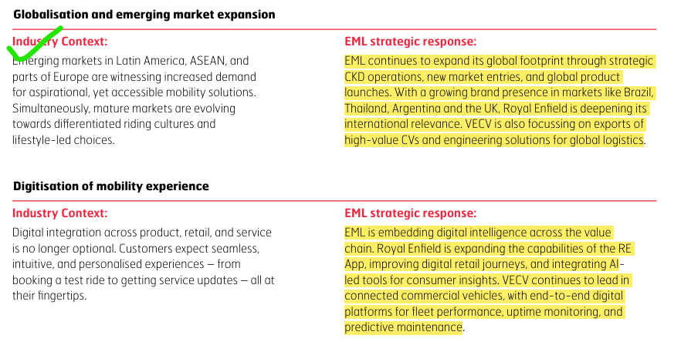
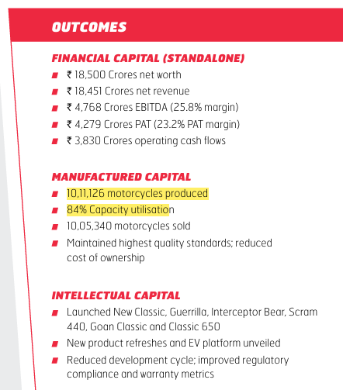
 |  |  | 2025-09-25 | 6,986.00
 |  |  | 2025-09-26 | 7,047.00
 |  |  | 2025-09-29 | 6,985.00
 |  |  | 2025-09-30 | 7,005.50
 |  |  | 2025-10-01 | 7,021.50
 |  |  | 2025-10-03 | 6,941.00
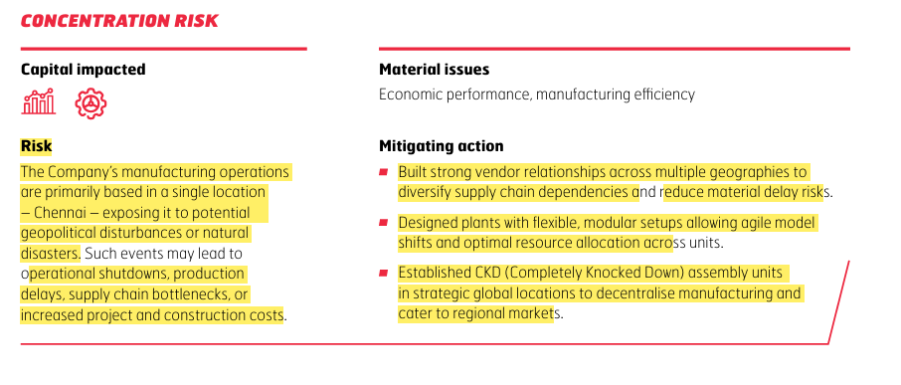
 |  |  | 2025-10-06 | 6,880.00
 |  |  | 2025-10-07 | 6,957.00
 |  |  | 2025-10-08 | 6,902.50
 |  |  | 2025-10-09 | 6,896.50
 |  |  | 2025-10-10 | 6,965.00
 |  |  | 2025-10-13 | 6,912.00
 |  |  | 2025-10-14 | 6,887.00
 |  |  | 2025-10-15 | 6,895.00
 |  |  | 2025-10-16 | 6,988.00
 |  |  | 2025-10-17 | 7,042.50
 |  |  | 2025-10-20 | 7,013.50
 |  |  | 2025-10-21 | 7,018.50
Share Price Performance
 |  |  | 2025-10-23 | 6,884.50
 |  |  | 2025-10-24 | 6,840.00
 |  |  | 2025-10-27 | 6,906.50
 |  |  | 2025-10-28 | 7,002.50
 |  |  | 2025-10-29 | 6,952.00
 |  |  | 2025-10-30 | 6,889.00
 |  |  | 2025-10-31 | 7,007.00
 |  |  | 2025-11-03 | 7,023.50
 |  |  | 2025-11-04 | 6,930.00
CAPEX (in Crores)
 |  |  | 2025-11-06 | 6,806.50
 |  |  | 2025-11-07 | 6,886.00
 |  |  | 2025-11-10 | 6,866.50
 |  |  | 2025-11-11 | 6,873.00 |  |  |  |  |  |  |  |  |  |  | Capex over the years
 |  |  | 2025-11-12 | 6,879.00 |  |  |  |  |  |  |  |  |  |  | 2016 | 509
 |  |  | 2025-11-13 | 6,855.00 |  |  |  |  |  |  |  |  |  |  | 2017 | 547
 |  |  | 2025-11-14 | 6,695.00 |  |  |  |  |  |  |  |  |  |  | 2018 | 745
 |  |  | 2025-11-17 | 6,799.00 |  |  |  |  |  |  |  |  |  |  | 2019 | 790
 |  |  | 2025-11-18 | 6,814.50 |  |  |  |  |  |  |  |  |  |  | 2020A | 544
 |  |  | 2025-11-19 | 6,896.50 |  |  |  |  |  |  |  |  |  |  | 2021A | 521
 |  |  | 2025-11-20 | 7,125.50 |  |  |  |  |  |  |  |  |  |  | 2022A | 629
 |  |  | 2025-11-21 | 7,134.50 |  |  |  |  |  |  |  |  |  |  | 2023A | 654
 |  |  | 2025-11-24 | 7,258.50 |  |  |  |  |  |  |  |  |  |  | 2024A | 808
 |  |  | 2025-11-25 | 7,218.50 |  |  |  |  |  |  |  |  |  |  | 2025A | 1010
 |  |  | 2025-11-26 | 7,198.50 |  |  |  |  |  |  |  |  |  |  | 2026 | 1300
 |  |  | 2025-11-27 | 6,999.00

Business Profiling
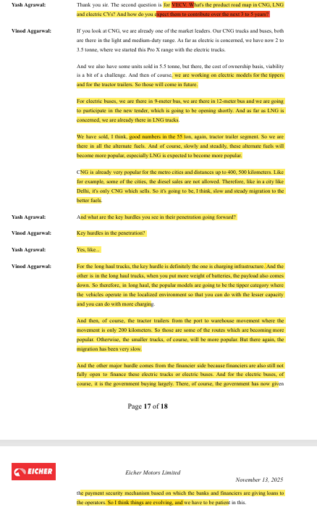
Info from the Website | global leader in the middleweight motorcycles segment (250cc - 750cc).

 |  |  |  |  |  | 2000+ stores across India
 |  |  |  |  |  | 1130+ stores internationally |  |  |  |  |  |  |  |  |  | Source | https://economictimes.indiatimes.com/industry/auto/two-wheelers-three-wheelers/royal-enfield-bullet-650-unveiled-at-eicma-2025-in-milan-may-come-to-india-at-rs-3-70-lakh/articleshow/125086166.cms
 |  |  |  |  |  | Two -world class technical centres - one in UK and other in Chennai
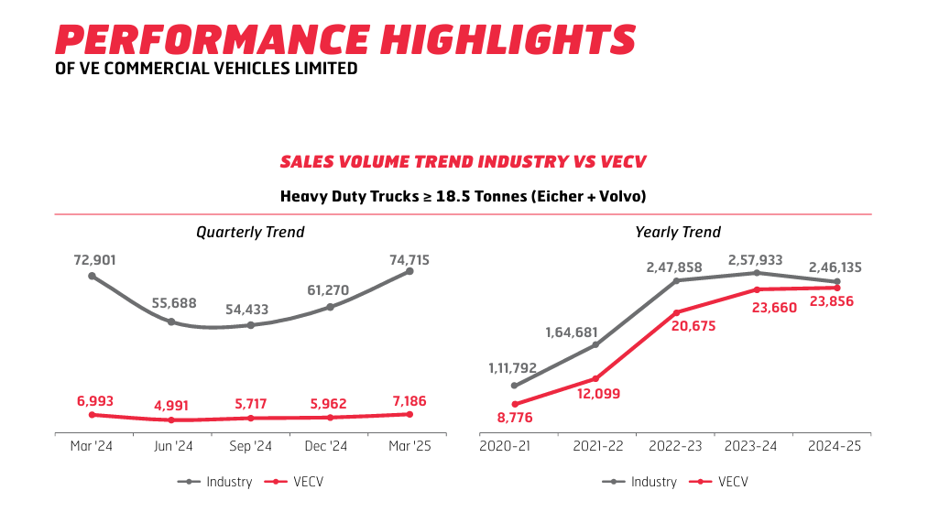
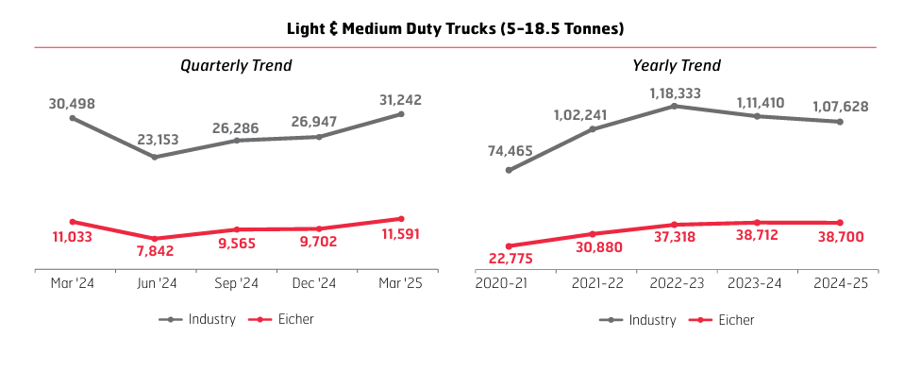
 |  |  |  |  |  | Two state of the art production facilities located in Chennai
 |  |  |  |  |  | Royal Enfield has six modern CKD assembly facilities in Bangladesh, Nepal, Brazil, Thailand, Argentina and Colombia

For more info. about company in terms of numbers, you can see its investor presentation ppt's from screener
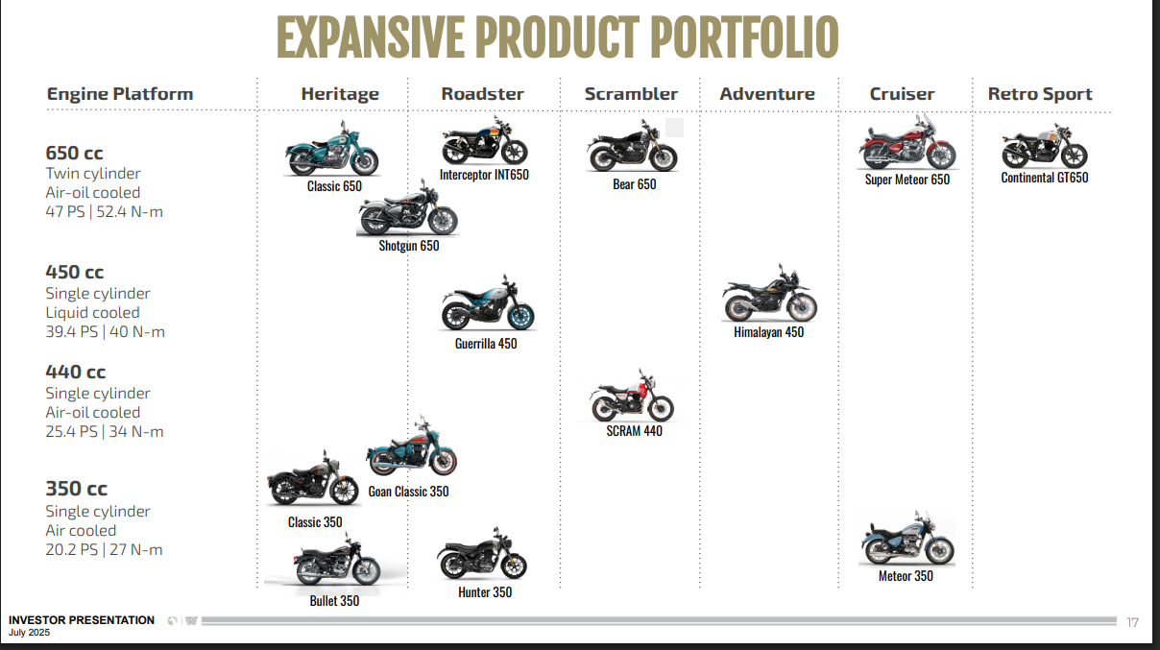

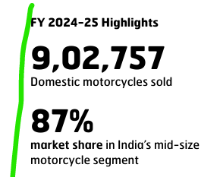

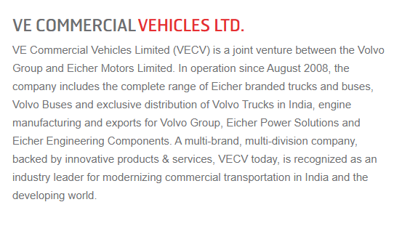

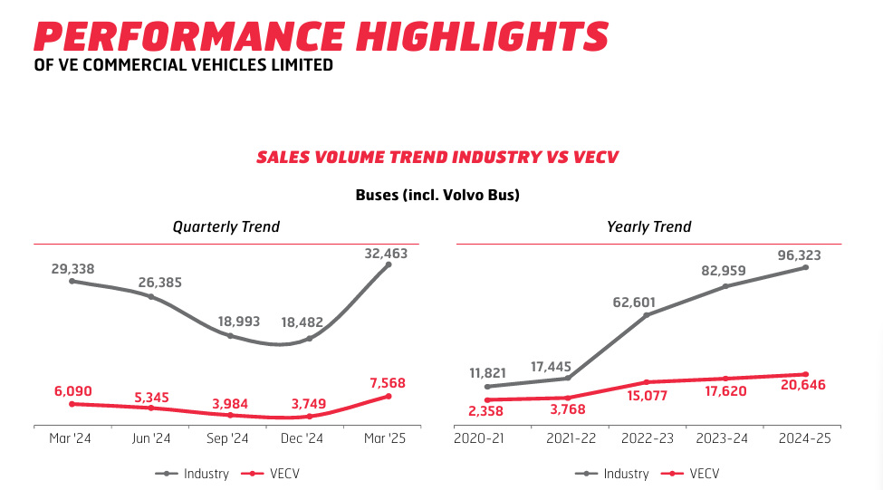

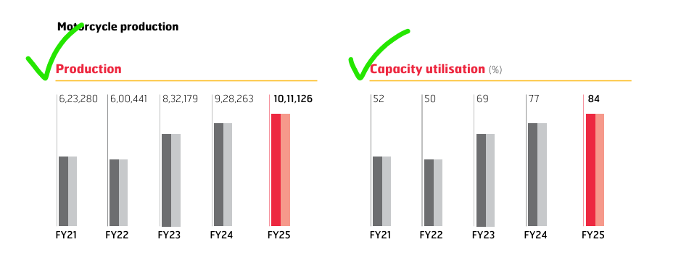
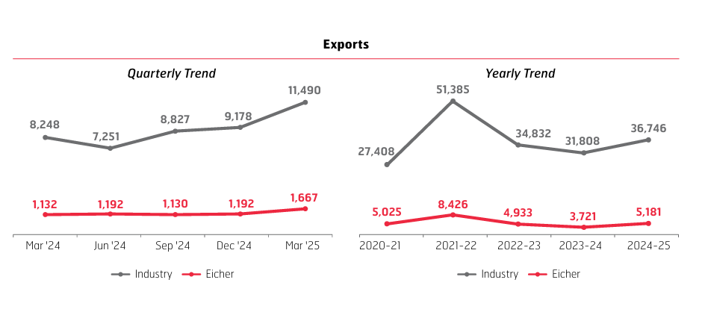

Info from the Annual Report | BAAKI INFO READ FROM REPORT ITSELF WHICH IS IN EICHER MOTORS FOLDER

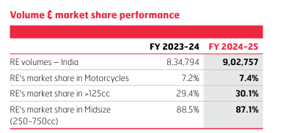
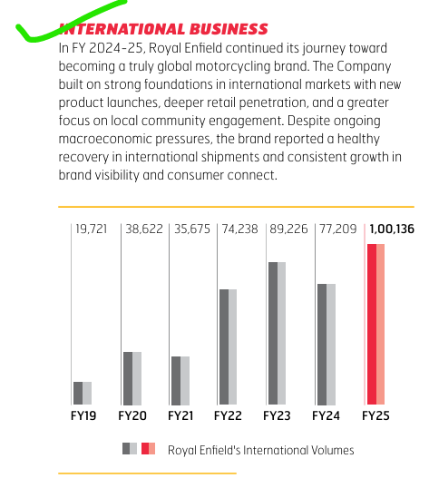
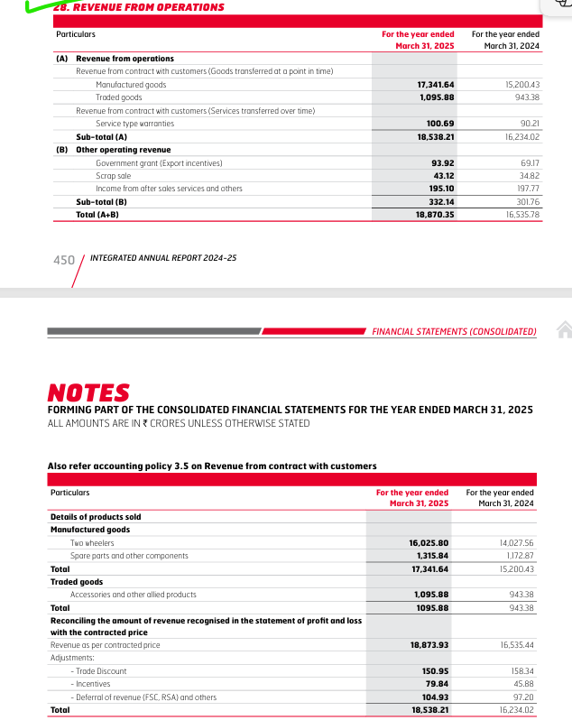
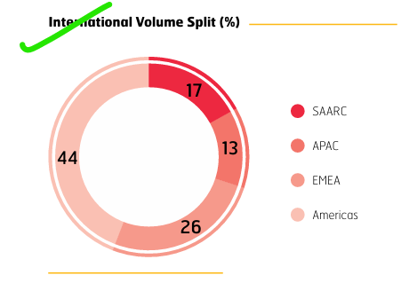
 | RE = ROYAL ENFIELD

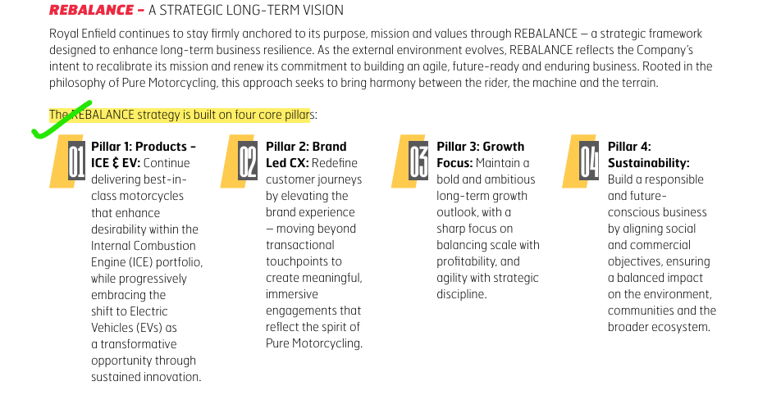

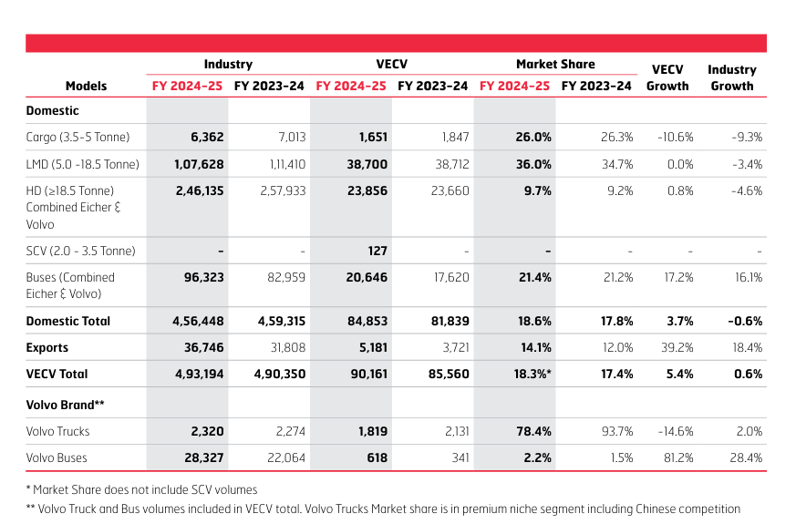
 |  |  |  |  |  |  |  |  |  |  |  |  | 2019 | 19721
 |  |  |  |  |  |  |  |  |  |  |  |  | 2020 | 38622 | 95.8%
 |  |  |  |  |  |  |  |  |  |  |  |  | 2021 | 35675 | -7.6%
 |  |  |  |  |  |  |  |  |  |  |  |  | 2022 | 74238 | 108.1%
 |  |  |  |  |  |  |  |  |  |  |  |  | 2023 | 89226 | 20.2%
 |  |  |  |  |  |  |  |  |  |  |  |  | 2024 | 77209 | -13.5% | Average | 38.8%
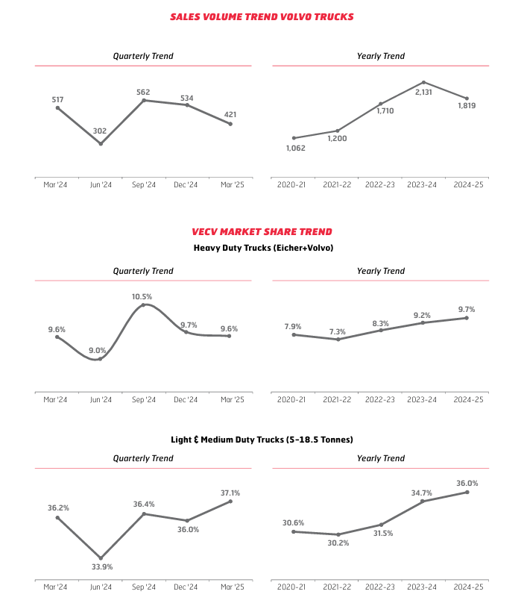
 |  |  |  |  |  |  |  |  |  |  |  |  | 2025 | 100136 | 29.7% | Median | 24.9%
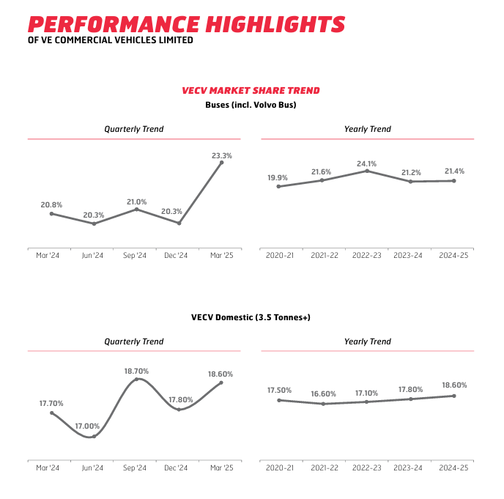

 |  |  |  |  |  |  |  |  |  |  |  | In the Financial Year 2024-25, VECV continued its growth trajectory, ending the year as market share leader in LMD Truck

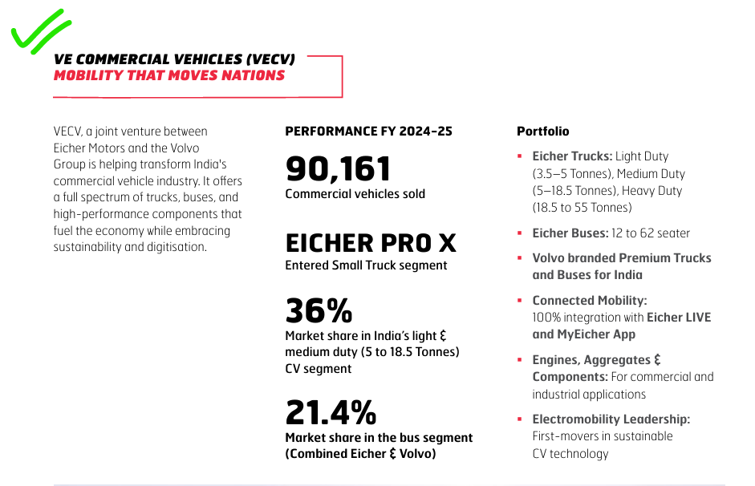

 |  |  |  |  |  |  |  |  |  |  |  |  |  |  |  |  |  |  | VECV concluded the year as the market leader in the Indian 5-18.5T Light and Medium Duty truck segment






 |  |  |  |  |  | we will aim to achieve faster growth than the industry while maintaining best-in-class margins over the long term

Info from Concalls |  | BAAKI KUCH INITIATING COVERAGE REPORT DOWNLOAD KI HAI USME SE DATA DEKHLENA INDUSTRY AUR COMPANY KA - THE REPORT IS IN EICHER MOTOR FOLDER




Q2FY25

FOR CONCALLS DATA SEE THEIR RESPECTIVE PDF'S USME UNDERLINE KI HAI

Mota mata revenues mid double digit mein grow krega (by around 10-15%), pat aur ebitda ki growth dekhlena concall mein, ebitda margins wahi 20 -26% ke beech mein rahenge and baaki volumes growth of their products/motorcycles and VECV segment ka data concall mein dekhlena underlined hai

Q2FY24 CONCALL
MAY 2023 MEIN EK PRICE HIKE LIYA THA
Digitization pe acha khasa kaam kr rhe hai
452 liquid-cooled (mtlb 450 cc)new Sherpa engine platform. So, the platform selected as an engine level. You will see products which will be evolved around that.
focus on the middleweight

 |  |  |  |  |  |  |  |  |  |  |  |  |  |  |  |  |  | Source - FY25AR |  |  |  |  |  | Source - FY25AR


Premium segment is the focus

Q3FY24 CONCALL

 |  |  | Huge headroom for growth in Small commercial vehicle area



 |  |  |  |  |  |  |  |  |  |  |  |  |  |  |  |  |  |  |  |  |  | Source | https://economictimes.indiatimes.com/industry/auto/two-wheelers-three-wheelers/royal-enfield-launches-meteor-350-sundowner-orange-special-edition-at-motoverse-may-soon-announce-its-most-powerful-motorcycle-too/articleshow/125490595.cms



 |  |  |  |  |  |  |  |  |  |  |  |  |  |  |  |  |  |  |  |  | Pdf in eicher folder too

 |  |  |  |  |  |  |  |  |  | Source | https://www.bseindia.com/xml-data/corpfiling/AttachLive/afeaeb8b-2248-408b-9b07-0fdf73af8312.pdf

Q4FY24 CONCALL



 |  |  |  | Heavy duty truck market mein leader
 |  |  |  | Industry se zada pace pe grow kr rhi company in both RE and VECV



 |  |  |  | Financial Year (Ending March) | Total Motorcycles Sold (Nos.) | Year-over-Year Change |  | Summary of Key Middleweight Segment Metrics
 |  |  |  | FY 2018-19 (FY19) | 8,22,724 / 8,23,828 | Largely flat vs previous year |  | Metric | Q4 FY24 (Jan-Mar 2024) | Q4 FY25 (Jan-Mar 2025) | Q1 FY26 (Apr-Jun 2025)
 |  |  |  | FY 2019-20 (FY20) | 6,97,582 / 6,98,216 | Decline of 15% |  | Total Volumes Sold (Wholesale) | 2,27,925 motorcycles | 2,80,801 motorcycles | 2,61,326 motorcycles
 |  |  |  | FY 2020-21 (FY21) | 6,09,403 / 6,12,350 | Decline of 13% |  | Year-on-Year Growth (Total) | N/A | 23.20% | 14.7% (vs Q1 FY25)
 |  |  |  | FY 2021-22 (FY22) | 5,95,474 / 6,02,268 | Decline of 2% |  | India Market Share (250-750cc) | 88.5% (FY24 Annual) | 87.1% (FY25 Annual) | 87.3% (June '25)
 |  |  |  | FY 2022-23 (FY23) | 8,24,066 / 8,34,895 | Highest ever volume; 38.4% growth |  | International Wholesale Volumes | 15,829 units (Q3 FY24 shipment) | ~30,900 units | N/A
 |  |  |  | FY 2023-24 (FY24) | 912,003 | Highest ever volume; 9% growth |  | International Growth (YOY Wholesale) | N/A | 29.70% | N/A
 |  |  |  | FY 2024-25 (FY25) | 10,02,893 / 10,05,340 | Highest ever volume; 10% growth YOY |  | took out this table from notebook lm
 |  |  |  | took out this table from notebook lm





 |  |  |  | took out this table from notebook lm










Company can esily open the stores and increase its wholesale volume but it does not want to do so infact it wants to increase its retail volumes
Exports market divided into two parts:
U.S., Europe, Australia, Japan, New Zealand, Korea - YAHA growth kam hai
LatAm and Southeast Asia - YAHA GROWTH ACHI KHASI HAI "MINI INDIA MARKETS BOLTI HAI COMPANY INHE"



Q1FY25 CONCALL




 |  |  |  |  |  | company will be doing brand buillding , market activities from time to time in order to attract the younger customers











Marketing and spending mein aage paisa kharch hoga but yeh company apni growth ke liye kr rhi hai
NEW FIRST TIME TWO WHEELER BUYER AA RHE HAI AROUND 12 - 13% AUR KUCH MOTORCYCLE MEIN JAISE HUNTER MEIN 19 - 25% TOH OVERALL MOTA MATA 20 -21% MAAN LO




Q2FY25 CONCALL





 |  |  |  | Company constantly new features ( like USB chargers, LED lamps) wagerah laa rhi hai apne products mein yaani bikes and all mein aur marketing pe bhi acha khasa spend kr rhi hai to attract customers.

 |  |  |  | Company does not build up inventory unnecessarily



 |  |  |  |  |  |  |  |  |  |  | Seems like company is plannign to grow its apparel business by opening retail outlets

Company ka marketing activites wagerah yaha kaam aayi aur yaha unhe volumes mein waps se pick up dikha

Value engineering inka ek hai jisse company cost ko control mein laati hai aur margins ko kuch hadd tak sambhal leti hai



 |  |  |  | Growing better than the industry

 |  |  |  | Margin to improve aage agr inke higher variant models ache khaase bike toh






 |  |  |  |  |  |  | Marketing expenses aage bhi honge but yeh company growth ke liye he kr rhi hai







Q3FY25 CONCALL










 |  |  |  |  |  |  |  |  |  |  | Tariff ke impact ke baare mein question krne pr bhi nhi btaya




















Q4FY25 CONCALL






 |  |  |  |  |  |  |  |  |  |  | R | Rural growth ho rhi hai but urban nhi ho rhi thi fir tax cuts ke saath management expecting urban growth bhi hogi













 |  |  |  |  | ONE PRICE HIKE IN FY23 AROUND MAY
 |  |  |  |  | ANOTHER PRICE HIKE IN APRIL FY24 BY 1.15% ON SOME SELECTED MODELS






 |  |  |  |  |  |  |  |  |  |  |  |  | NO GUIDANCE FOR EBITDA MAGINS GIVENEVEN


Q1FY26 CONCALL








 |  |  |  |  |  |  |  |  |  |  |  |  |  |  |  |  | RURAL IS NOW ABOUT 50% OF COMPANY SALES
 |  |  |  |  |  |  |  |  |  |  |  |  |  |  |  |  | RURAL WAS SHOWING GROWTH EARLY BUT NOW URBAN HAS ALSO STARTED SHOWING GROWTH












Q2FY26 CONCALL




 |  |  |  |  |  |  |  |  |  |  |  |  |  |  |  |  |  |  |  | Source : FY25AR




 |  |  |  |  |  |  |  |  |  |  |  |  | Source : FY25AR























 |  |  |  |  |  |  |  |  |  |  |  | Capacity expansion from 1.2mn to 1.35mn












 |  |  |  |  |  |  | In the month of April, we took a price increase in a few models and then also in a few models in July, we took a price increase as per the plan

Growth Drivers








Idhar growth drivers dhundhke daal do

We can find this from Annual report or from normal google search

Har growth driver ko data and charts dikha kar support kro (get data from macrotrends website or normal google search)

